CarteraARYSA(MSA)
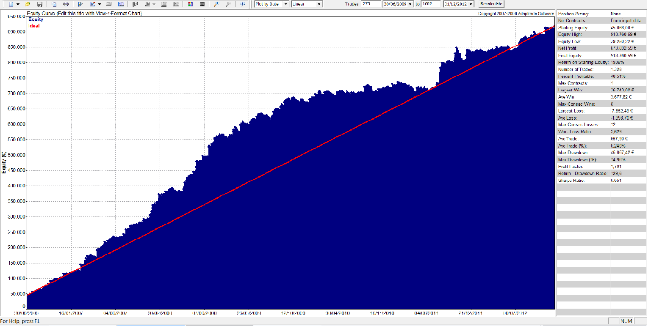
Cartera ARYSA sin MM con la siguiente ponderación:
IBEX 1 C DAX 1 C FTI 2 C FGBL 5 C ZS 4 C
Periodo: Julio 2006 - Diciembre 2012

DATOS EN BASE DIARIA
En esta hoja tenemos los resultados diarios de la cartera ponderada y en Euros tanto del periodo IS como del periodo OS.

No tomamos en consideración los periodos 2005, primer semestre 2006 y 2013 por estar incompletos.
Por tanto el periodo a considerar es Julio 2006- Ddiciembre 2012
Periodo IS: Hasta Diciembre 2009
Periodo OS: Desde Enero 2010
Hasta Diciembre 2012
Date | PL
2005-01-17 | -310.00 €
2005-01-18 | -330.00 €
2005-01-20 | 270.00 €
2005-01-25 | 4,200.00 € | Serie In Sample
2005-01-26 | -250.00 €
2005-01-27 | -212.50 € | Serie Out Sample
2005-01-28 | -462.50 €
2005-01-31 | 1,200.00 €
2005-02-04 | 2,740.00 €
2005-02-11 | 720.00 €
2005-02-16 | 6,962.82 €
2005-02-17 | -150.00 €
2005-02-18 | -442.50 €
2005-02-21 | 35.00 €
2005-02-22 | 825.00 €
2005-02-25 | -380.00 €
2005-02-28 | -712.50 €
2005-03-01 | 357.50 €
2005-03-02 | -710.00 €
2005-03-03 | -560.00 €
2005-03-04 | 585.00 €
2005-03-09 | 1,172.50 €
2005-03-11 | -500.00 €
2005-03-14 | -150.00 €
2005-03-15 | -87.50 €
2005-03-16 | 65.00 €
2005-03-18 | -30.00 €
2005-03-21 | 134.00 €
2005-03-22 | -828.00 €
2005-03-23 | -1,118.50 €
2005-03-24 | -460.00 €
2005-03-29 | -1,541.00 €
2005-03-30 | 7,682.21 €
2005-03-31 | -1,316.07 €
2005-04-01 | -914.50 €
2005-04-04 | -73.50 €
2005-04-05 | 2,074.00 €
2005-04-07 | 537.50 €
2005-04-11 | -372.00 €
2005-04-12 | -560.00 €
2005-04-13 | -1,288.50 €
2005-04-14 | -1,615.00 €
2005-04-15 | 8,096.50 €
2005-04-20 | 144.00 €
2005-04-22 | -806.00 €
2005-04-25 | -632.00 €
2005-04-26 | -1,262.00 €
2005-04-27 | 2,384.00 €
2005-04-29 | -786.00 €
2005-05-02 | 1,224.00 €
2005-05-03 | -968.50 €
2005-05-04 | -118.50 €
2005-05-10 | -76.00 €
2005-05-11 | -2,414.50 €
2005-05-12 | -1,152.50 €
2005-05-13 | -1,399.50 €
2005-05-16 | -1,193.50 €
2005-05-17 | 1,429.00 €
2005-05-18 | 4,549.00 €
2005-05-24 | 944.00 €
2005-05-25 | -180.00 €
2005-05-26 | 50.00 €
2005-05-27 | -90.00 €
2005-05-30 | 974.00 €
2005-06-01 | 1,804.00 €
2005-06-07 | -192.00 €
2005-06-08 | -330.00 €
2005-06-09 | 1,868.00 €
2005-06-16 | -1,416.43 €
2005-06-17 | -800.00 €
2005-06-20 | 340.00 €
2005-06-21 | 644.00 €
2005-06-22 | 2,260.00 €
2005-06-24 | 141.50 €
2005-06-27 | -467.50 €
2005-06-28 | 6,136.50 €
2005-07-05 | -482.56 €
2005-07-06 | -1,417.64 €
2005-07-07 | -492.50 €
2005-07-08 | 4,739.00 €
2005-07-11 | 1,560.00 €
2005-07-12 | -832.00 €
2005-07-13 | -96.00 €
2005-07-18 | -76.00 €
2005-07-19 | 108.00 €
2005-07-21 | -1,419.84 €
2005-07-22 | -616.00 €
2005-07-25 | -852.00 €
2005-07-26 | -246.00 €
2005-07-27 | -1,090.75 €
2005-07-28 | -1,226.00 €
2005-07-29 | 3,624.00 €
2005-08-01 | -546.00 €
2005-08-02 | 84.00 €
2005-08-03 | -306.00 €
2005-08-05 | -1,075.00 €
2005-08-08 | -342.50 €
2005-08-09 | 5,024.00 €
2005-08-15 | -1,688.00 €
2005-08-16 | 4,284.96 €
2005-08-18 | 75.00 €
2005-08-19 | 289.00 €
2005-08-23 | 1,022.50 €
2005-08-24 | -1,687.50 €
2005-08-25 | -747.00 €
2005-08-26 | 943.50 €
2005-08-30 | -1,182.00 €
2005-08-31 | 4,304.00 €
2005-09-01 | -537.50 €
2005-09-02 | -987.00 €
2005-09-05 | 4,216.50 €
2005-09-08 | 284.00 €
2005-09-12 | -250.00 €
2005-09-13 | -210.00 €
2005-09-14 | 782.50 €
2005-09-15 | 1,144.00 €
2005-09-16 | -1,387.50 €
2005-09-19 | -712.50 €
2005-09-20 | -1,237.50 €
2005-09-21 | 363.65 €
2005-09-22 | 2,860.00 €
2005-09-23 | -516.25 €
2005-09-26 | 2,866.50 €
2005-09-28 | -196.00 €
2005-09-30 | 1,184.00 €
2005-10-05 | -426.00 €
2005-10-06 | -470.00 €
2005-10-07 | -1,852.50 €
2005-10-10 | -1,147.00 €
2005-10-11 | -401.00 €
2005-10-12 | -130.50 €
2005-10-14 | -32.00 €
2005-10-17 | -952.00 €
2005-10-18 | 2,578.00 €
2005-10-20 | 944.00 €
2005-10-24 | -350.00 €
2005-10-25 | -552.00 €
2005-10-26 | -476.00 €
2005-10-27 | 544.00 €
2005-10-28 | -1,996.00 €
2005-10-31 | 54.00 €
2005-11-01 | -1,072.50 €
2005-11-02 | 2,884.00 €
2005-11-03 | -660.00 €
2005-11-04 | -840.00 €
2005-11-07 | 394.00 €
2005-11-08 | -550.00 €
2005-11-09 | 2,824.00 €
2005-11-10 | -1,560.00 €
2005-11-11 | -270.00 €
2005-11-15 | -360.00 €
2005-11-16 | -526.00 €
2005-11-17 | 1,964.00 €
2005-11-18 | 1,200.00 €
2005-11-24 | 114.00 €
2005-11-25 | -96.00 €
2005-11-28 | -616.00 €
2005-11-29 | -256.00 €
2005-11-30 | -1,094.50 €
2005-12-01 | 3,966.50 €
2005-12-02 | -590.00 €
2005-12-05 | 50.00 €
2005-12-06 | 564.00 €
2005-12-08 | -433.50 €
2005-12-09 | -883.15 €
2005-12-12 | -1,306.00 €
2005-12-13 | -650.00 €
2005-12-14 | -1,984.50 €
2005-12-15 | -1,055.50 €
2005-12-16 | 866.50 €
2005-12-19 | -160.00 €
2005-12-20 | 3,144.00 €
2005-12-22 | 1,520.00 €
2005-12-28 | -96.00 €
2005-12-29 | -416.00 €
2005-12-30 | 24.00 €
2006-01-02 | 714.00 €
2006-01-04 | 724.00 €
2006-01-05 | -516.00 €
2006-01-06 | 664.00 €
2006-01-10 | -320.00 €
2006-01-11 | -1,258.50 €
2006-01-12 | -2,021.92 €
2006-01-13 | -772.50 €
2006-01-16 | -3,148.50 €
2006-01-17 | 752.50 €
2006-01-19 | 5,062.00 €
2006-01-20 | -156.00 €
2006-01-24 | -616.00 €
2006-01-25 | 10,364.00 €
2006-01-26 | 3,275.00 €
2006-02-01 | 804.00 €
2006-02-06 | -856.00 €
2006-02-07 | -1,875.74 €
2006-02-08 | 7,458.00 €
2006-02-13 | 1,874.34 €
2006-02-14 | -440.00 €
2006-02-15 | -210.00 €
2006-02-17 | 40.00 €
2006-02-22 | -96.00 €
2006-02-23 | -672.00 €
2006-02-24 | -76.00 €
2006-02-27 | -116.00 €
2006-03-01 | 10,731.50 €
2006-03-02 | -1,871.00 €
2006-03-03 | 1,160.00 €
2006-03-06 | -552.00 €
2006-03-07 | -416.00 €
2006-03-08 | -170.00 €
2006-03-09 | -1,732.00 €
2006-03-10 | 3,354.00 €
2006-03-13 | -412.50 €
2006-03-14 | 475.00 €
2006-03-16 | -276.00 €
2006-03-17 | -406.00 €
2006-03-20 | -176.00 €
2006-03-21 | -758.00 €
2006-03-22 | 1,884.00 €
2006-03-23 | -300.00 €
2006-03-24 | 30.00 €
2006-03-27 | 90.00 €
2006-03-28 | 7,034.00 €
2006-03-29 | 1,912.50 €
2006-03-30 | -1,446.00 €
2006-03-31 | -1,002.00 €
2006-04-03 | -572.00 €
2006-04-04 | -340.00 €
2006-04-05 | 174.00 €
2006-04-06 | -796.00 €
2006-04-07 | 1,500.00 €
2006-04-10 | -1,730.50 €
2006-04-11 | 700.00 €
2006-04-18 | 3,052.00 €
2006-04-19 | 1,750.00 €
2006-04-20 | 1,030.00 €
2006-04-25 | -896.00 €
2006-04-26 | -784.00 €
2006-04-27 | -1,321.23 €
2006-04-28 | -2,953.50 €
2006-05-02 | -1,370.50 €
2006-05-03 | 150.00 €
2006-05-04 | 2,285.00 €
2006-05-05 | 1,464.00 €
2006-05-09 | -732.00 €
2006-05-11 | 4,186.50 €
2006-05-12 | 11,764.00 €
2006-05-16 | 5,784.00 €
2006-05-17 | -533.94 €
2006-05-18 | 4,960.00 €
2006-05-22 | -677.99 €
2006-05-23 | 162.01 €
2006-05-24 | -56.00 €
2006-05-25 | -636.00 €
2006-05-26 | -170.00 €
2006-05-30 | 2,901.50 €
2006-05-31 | -170.00 €
2006-06-01 | -1,565.62 €
2006-06-02 | 4,597.89 €
2006-06-05 | -932.99 €
2006-06-06 | -2,372.99 €
2006-06-07 | 2,750.00 €
2006-06-08 | -397.88 €
2006-06-12 | 2,706.01 €
2006-06-14 | -642.99 €
2006-06-15 | -152.99 €
2006-06-16 | -2,557.99 €
2006-06-19 | -1,165.00 €
2006-06-20 | 1,619.32 €
2006-06-21 | 1,180.00 €
2006-06-23 | -2,129.99 €
2006-06-26 | -432.00 €
2006-06-27 | 804.00 €
2006-06-28 | -1,517.50 €
2006-06-29 | 7,194.00 €
2006-06-30 | 605.01 €
2006-07-05 | -636.00 €
2006-07-06 | -944.00 €
2006-07-07 | -2,064.00 €
2006-07-10 | -688.00 €
2006-07-11 | -2,090.79 €
2006-07-12 | 4,413.00 €
2006-07-13 | 6,657.50 €
2006-07-18 | -2,128.99 €
2006-07-19 | 60.00 €
2006-07-20 | -716.00 €
2006-07-21 | -123.50 €
2006-07-24 | 8,244.00 €
2006-07-25 | -434.65 €
2006-07-27 | -362.99 €
2006-08-02 | 354.00 €
2006-08-03 | -262.99 €
2006-08-04 | 2,616.01 €
2006-08-08 | -2,624.50 €
2006-08-09 | -3,746.21 €
2006-08-10 | -141.00 €
2006-08-11 | -2,100.00 €
2006-08-14 | 5,406.50 €
2006-08-15 | 3,350.00 €
2006-08-17 | -385.46 €
2006-08-18 | 4,710.00 €
2006-08-21 | -536.00 €
2006-08-22 | -1,592.00 €
2006-08-23 | -622.00 €
2006-08-24 | 364.00 €
2006-08-25 | 42.01 €
2006-08-28 | 2,301.50 €
2006-08-30 | -256.00 €
2006-08-31 | -93.99 €
2006-09-01 | 983.51 €
2006-09-05 | -940.49 €
2006-09-06 | 160.02 €
2006-09-07 | -380.25 €
2006-09-08 | 188.51 €
2006-09-11 | -550.00 €
2006-09-12 | 4,903.00 €
2006-09-14 | 854.51 €
2006-09-15 | 166.01 €
2006-09-19 | -2,512.98 €
2006-09-20 | 2,344.00 €
2006-09-21 | 3,730.00 €
2006-09-22 | -235.98 €
2006-09-25 | -331.00 €
2006-09-26 | 4,246.01 €
2006-09-27 | -1,075.98 €
2006-09-28 | 1,164.00 €
2006-09-29 | -152.99 €
2006-10-02 | -1,076.98 €
2006-10-03 | 7,871.50 €
2006-10-05 | -257.99 €
2006-10-06 | -1,520.99 €
2006-10-09 | 2,604.00 €
2006-10-10 | -47.99 €
2006-10-11 | 893.02 €
2006-10-12 | 8,549.02 €
2006-10-16 | -796.00 €
2006-10-18 | 921.50 €
2006-10-19 | 184.00 €
2006-10-23 | 1,384.00 €
2006-10-30 | 1,536.50 €
2006-10-31 | -721.00 €
2006-11-01 | -911.00 €
2006-11-02 | -1,488.50 €
2006-11-03 | 5,384.00 €
2006-11-06 | 1,437.50 €
2006-11-07 | -792.16 €
2006-11-10 | -250.00 €
2006-11-13 | 673.00 €
2006-11-14 | -436.00 €
2006-11-15 | -376.00 €
2006-11-17 | -136.00 €
2006-11-20 | 1,024.00 €
2006-11-22 | -556.00 €
2006-11-23 | -230.00 €
2006-11-24 | -533.35 €
2006-11-27 | 2,716.52 €
2006-11-29 | -436.00 €
2006-11-30 | 2,081.50 €
2006-12-01 | 2,297.50 €
2006-12-05 | -1,516.00 €
2006-12-06 | -359.50 €
2006-12-07 | -316.00 €
2006-12-08 | 513.01 €
2006-12-11 | -340.98 €
2006-12-12 | 4,584.00 €
2006-12-13 | 8,463.62 €
2006-12-14 | -585.98 €
2006-12-18 | -795.98 €
2006-12-19 | -288.00 €
2006-12-20 | -266.00 €
2006-12-21 | 2,556.01 €
2006-12-27 | 644.00 €
2006-12-28 | -870.00 €
2006-12-29 | -156.00 €
2007-01-02 | 184.00 €
2007-01-04 | -2,176.26 €
2007-01-08 | -1,145.00 €
2007-01-09 | -1,718.50 €
2007-01-10 | -1,652.50 €
2007-01-11 | 4,229.52 €
2007-01-12 | 5,482.01 €
2007-01-17 | -1,189.50 €
2007-01-18 | -1,337.50 €
2007-01-19 | 568.00 €
2007-01-22 | -152.99 €
2007-01-23 | -625.00 €
2007-01-24 | -419.27 €
2007-01-25 | 1,322.01 €
2007-01-26 | -3,034.46 €
2007-01-29 | 1,399.00 €
2007-01-30 | 3,481.01 €
2007-01-31 | 2,570.00 €
2007-02-01 | 364.00 €
2007-02-05 | -222.00 €
2007-02-07 | -196.00 €
2007-02-08 | -240.00 €
2007-02-09 | -1,195.17 €
2007-02-12 | 6,134.02 €
2007-02-13 | 1,181.50 €
2007-02-14 | -590.00 €
2007-02-15 | -526.00 €
2007-02-16 | -166.00 €
2007-02-19 | -166.00 €
2007-02-20 | -1,833.25 €
2007-02-21 | -2,223.64 €
2007-02-22 | -1,663.85 €
2007-02-23 | 3,301.50 €
2007-02-26 | -836.00 €
2007-02-27 | 22,525.50 €
2007-03-07 | -862.99 €
2007-03-08 | -590.00 €
2007-03-09 | -1,770.98 €
2007-03-12 | -2,803.21 €
2007-03-13 | 5,663.51 €
2007-03-15 | -1,636.00 €
2007-03-16 | -1,503.12 €
2007-03-19 | 9,884.51 €
2007-03-20 | 4,643.94 €
2007-03-21 | -916.72 €
2007-03-22 | 10,470.00 €
2007-03-27 | -800.00 €
2007-03-28 | -1,608.98 €
2007-03-29 | 9,734.00 €
2007-04-02 | -712.99 €
2007-04-04 | -655.98 €
2007-04-09 | -957.99 €
2007-04-10 | 2,459.02 €
2007-04-13 | 3,158.00 €
2007-04-17 | -590.00 €
2007-04-18 | -3,572.00 €
2007-04-19 | -1,336.00 €
2007-04-20 | 1,234.00 €
2007-04-23 | -516.00 €
2007-04-24 | 770.02 €
2007-04-25 | -1,761.98 €
2007-04-26 | 864.00 €
2007-04-30 | -964.98 €
2007-05-01 | -292.99 €
2007-05-02 | 808.00 €
2007-05-04 | -1,202.99 €
2007-05-07 | -2,110.98 €
2007-05-08 | -860.00 €
2007-05-09 | -1,727.25 €
2007-05-10 | -3,323.72 €
2007-05-11 | 30,746.61 €
2007-05-15 | -1,117.00 €
2007-05-16 | -1,096.00 €
2007-05-17 | 2,686.50 €
2007-05-18 | 4,337.50 €
2007-05-24 | -956.00 €
2007-05-28 | 44.00 €
2007-05-29 | -1,496.00 €
2007-05-30 | 6,091.01 €
2007-06-01 | 862.01 €
2007-06-05 | -936.00 €
2007-06-06 | 2,787.01 €
2007-06-07 | 1,314.51 €
2007-06-08 | 1,142.01 €
2007-06-11 | -1,188.99 €
2007-06-12 | -444.98 €
2007-06-13 | 7,728.02 €
2007-06-14 | 7,070.00 €
2007-06-18 | -930.00 €
2007-06-19 | -566.00 €
2007-06-20 | -2.99 €
2007-06-21 | 304.00 €
2007-06-22 | -572.00 €
2007-06-25 | -1,856.00 €
2007-06-26 | -1,705.00 €
2007-06-27 | -3,371.06 €
2007-06-28 | 574.43 €
2007-06-29 | 11,481.01 €
2007-07-02 | -1,030.00 €
2007-07-03 | 162.50 €
2007-07-05 | 214.00 €
2007-07-06 | 1,588.79 €
2007-07-10 | 827.50 €
2007-07-11 | -560.66 €
2007-07-12 | 4,706.28 €
2007-07-13 | -972.34 €
2007-07-16 | -760.00 €
2007-07-17 | -846.00 €
2007-07-18 | -1,551.71 €
2007-07-19 | 6,600.12 €
2007-07-20 | -265.49 €
2007-07-23 | -1,137.99 €
2007-07-24 | -349.99 €
2007-07-25 | 6,681.02 €
2007-07-26 | -467.99 €
2007-07-27 | -1,027.99 €
2007-07-30 | -327.99 €
2007-07-31 | -242.99 €
2007-08-01 | -3,766.00 €
2007-08-02 | -1,912.98 €
2007-08-03 | 2,134.00 €
2007-08-06 | -432.99 €
2007-08-07 | -2,231.98 €
2007-08-08 | -1,440.00 €
2007-08-09 | 7,864.00 €
2007-08-10 | -2,586.23 €
2007-08-13 | -3,027.99 €
2007-08-14 | 3,773.00 €
2007-08-15 | -900.00 €
2007-08-16 | -321.49 €
2007-08-17 | -900.00 €
2007-08-20 | -360.00 €
2007-08-21 | -4,008.51 €
2007-08-22 | 8,472.01 €
2007-08-23 | -940.00 €
2007-08-24 | -1,434.50 €
2007-08-27 | 1,834.00 €
2007-08-28 | 450.00 €
2007-08-30 | 1,427.78 €
2007-09-03 | -1,632.00 €
2007-09-04 | -1,372.26 €
2007-09-05 | 2,364.00 €
2007-09-06 | -2,900.99 €
2007-09-07 | 12,552.51 €
2007-09-11 | -336.00 €
2007-09-12 | -106.00 €
2007-09-13 | -1,266.00 €
2007-09-14 | -1,130.50 €
2007-09-17 | -3,856.01 €
2007-09-18 | 21,598.00 €
2007-09-25 | -516.00 €
2007-09-26 | 392.00 €
2007-09-28 | -1,132.00 €
2007-10-01 | 2,478.00 €
2007-10-04 | 1,324.00 €
2007-10-09 | 6,561.01 €
2007-10-10 | 2,820.00 €
2007-10-12 | -312.00 €
2007-10-15 | -500.00 €
2007-10-16 | 860.00 €
2007-10-17 | -1,051.49 €
2007-10-18 | -3,174.63 €
2007-10-19 | 3,538.36 €
2007-10-22 | 806.02 €
2007-10-23 | -16.00 €
2007-10-24 | -2,272.00 €
2007-10-25 | 4,350.01 €
2007-10-26 | 2,136.50 €
2007-10-30 | -300.00 €
2007-10-31 | -3,473.98 €
2007-11-01 | 211.50 €
2007-11-02 | -2,263.99 €
2007-11-05 | 2,012.01 €
2007-11-06 | -476.00 €
2007-11-07 | 5,474.00 €
2007-11-08 | -2,750.00 €
2007-11-09 | -3,005.49 €
2007-11-12 | 2,859.51 €
2007-11-13 | -990.00 €
2007-11-15 | 4,074.00 €
2007-11-16 | -340.00 €
2007-11-19 | 4,084.00 €
2007-11-20 | 1,562.01 €
2007-11-21 | 374.00 €
2007-11-26 | -290.00 €
2007-11-28 | -1,430.98 €
2007-11-29 | 872.50 €
2007-11-30 | -1,938.15 €
2007-12-03 | 2,514.00 €
2007-12-04 | -165.98 €
2007-12-06 | 6,747.01 €
2007-12-07 | 5,090.00 €
2007-12-10 | -1,100.00 €
2007-12-11 | -2,518.00 €
2007-12-12 | -4,106.00 €
2007-12-13 | 4,734.00 €
2007-12-17 | -998.50 €
2007-12-18 | 31.50 €
2007-12-19 | -375.00 €
2007-12-20 | -176.00 €
2007-12-21 | 1,187.50 €
2007-12-24 | -532.00 €
2007-12-27 | 4,910.00 €
2007-12-28 | -1,188.00 €
2007-12-31 | -864.00 €
2008-01-02 | 796.00 €
2008-01-03 | 1,450.16 €
2008-01-04 | 10,526.50 €
2008-01-08 | -745.00 €
2008-01-09 | -212.50 €
2008-01-10 | 1,847.50 €
2008-01-14 | 4,680.00 €
2008-01-15 | 5,604.00 €
2008-01-17 | 12,144.00 €
2008-01-18 | 9,620.00 €
2008-01-24 | 1,632.01 €
2008-01-25 | -2,692.99 €
2008-01-28 | 5,359.02 €
2008-01-30 | -710.00 €
2008-01-31 | -1,450.00 €
2008-02-01 | -756.27 €
2008-02-04 | -262.50 €
2008-02-05 | 6,257.50 €
2008-02-07 | 1,676.02 €
2008-02-08 | 287.50 €
2008-02-11 | -560.00 €
2008-02-12 | 85.00 €
2008-02-13 | 26,372.32 €
2008-02-15 | -1,110.00 €
2008-02-18 | 500.00 €
2008-02-19 | -4,472.50 €
2008-02-20 | -1,247.50 €
2008-02-21 | 602.50 €
2008-02-22 | -3,976.00 €
2008-02-25 | -452.50 €
2008-02-26 | 612.50 €
2008-02-27 | -2,672.00 €
2008-02-28 | 10,266.50 €
2008-02-29 | 1,690.00 €
2008-03-04 | -96.00 €
2008-03-05 | -816.00 €
2008-03-06 | 2,268.00 €
2008-03-10 | -926.00 €
2008-03-11 | -2,440.00 €
2008-03-12 | 944.00 €
2008-03-13 | -863.99 €
2008-03-14 | 12,236.01 €
2008-03-17 | -1,590.00 €
2008-03-18 | -640.00 €
2008-03-19 | -3,216.00 €
2008-03-20 | 1,504.00 €
2008-03-25 | 2,981.66 €
2008-03-26 | -4,925.98 €
2008-03-27 | -4,085.98 €
2008-03-28 | 10,840.01 €
2008-03-31 | -1,166.00 €
2008-04-01 | 4,104.00 €
2008-04-02 | 4.00 €
2008-04-03 | 2,704.00 €
2008-04-08 | -1,804.99 €
2008-04-09 | 1,583.02 €
2008-04-10 | -316.00 €
2008-04-11 | 1,218.00 €
2008-04-14 | -627.75 €
2008-04-15 | 3,541.03 €
2008-04-16 | 619.00 €
2008-04-17 | -2,105.98 €
2008-04-18 | 233.02 €
2008-04-21 | -4,109.98 €
2008-04-22 | 1,385.01 €
2008-04-23 | -5,796.50 €
2008-04-24 | 1,155.50 €
2008-04-25 | -1,307.99 €
2008-04-28 | 131.01 €
2008-04-29 | -420.00 €
2008-04-30 | 2,100.01 €
2008-05-01 | -3,442.99 €
2008-05-05 | -1,460.98 €
2008-05-06 | -1,764.98 €
2008-05-08 | -1,826.71 €
2008-05-09 | 1,654.47 €
2008-05-12 | -136.00 €
2008-05-13 | -162.00 €
2008-05-14 | 3,384.00 €
2008-05-15 | 1,142.01 €
2008-05-16 | -817.99 €
2008-05-19 | -1,433.99 €
2008-05-20 | 2,089.02 €
2008-05-21 | -767.99 €
2008-05-22 | -1,910.49 €
2008-05-23 | 699.02 €
2008-05-28 | 546.01 €
2008-05-29 | -2,908.99 €
2008-05-30 | -317.99 €
2008-06-02 | 2,505.00 €
2008-06-03 | 15.50 €
2008-06-04 | 9,251.01 €
2008-06-05 | -1,206.00 €
2008-06-06 | 4,134.00 €
2008-06-09 | 4,904.00 €
2008-06-10 | 13,707.01 €
2008-06-13 | -490.00 €
2008-06-16 | -476.00 €
2008-06-17 | 7,148.00 €
2008-06-18 | 5,290.00 €
2008-06-20 | 4,262.50 €
2008-06-25 | -856.00 €
2008-06-26 | 5,964.00 €
2008-06-27 | -670.00 €
2008-07-01 | -71.96 €
2008-07-02 | -1,500.00 €
2008-07-03 | 3,867.00 €
2008-07-04 | 30.00 €
2008-07-07 | -250.00 €
2008-07-08 | -1,600.00 €
2008-07-09 | -2,200.00 €
2008-07-10 | 6,675.00 €
2008-07-16 | -782.99 €
2008-07-17 | -380.00 €
2008-07-18 | 9,344.51 €
2008-07-21 | 360.00 €
2008-07-22 | 1,140.00 €
2008-07-23 | -690.00 €
2008-07-24 | 610.00 €
2008-07-28 | 1,059.02 €
2008-07-29 | 2,255.00 €
2008-07-30 | 10,820.00 €
2008-07-31 | -1,167.99 €
2008-08-01 | 20,224.02 €
2008-08-04 | -1,800.00 €
2008-08-05 | 3,627.50 €
2008-08-06 | -140.00 €
2008-08-07 | -750.00 €
2008-08-08 | -1,696.00 €
2008-08-13 | -256.00 €
2008-08-14 | -1,901.00 €
2008-08-15 | -1,268.00 €
2008-08-18 | 6,743.00 €
2008-08-20 | -356.00 €
2008-08-21 | -696.00 €
2008-08-25 | -706.00 €
2008-08-26 | 197.01 €
2008-08-27 | -856.00 €
2008-08-28 | 1,822.01 €
2008-08-29 | 16,525.11 €
2008-09-01 | -1,604.50 €
2008-09-02 | -4,050.52 €
2008-09-03 | 2,614.00 €
2008-09-04 | -1,800.00 €
2008-09-05 | -2,150.00 €
2008-09-08 | -1,066.00 €
2008-09-09 | 5,021.50 €
2008-09-10 | 524.00 €
2008-09-12 | -4,858.66 €
2008-09-15 | 5,464.00 €
2008-09-17 | -2,200.00 €
2008-09-19 | -1,310.00 €
2008-09-22 | 3,694.00 €
2008-09-23 | -2,895.00 €
2008-09-24 | -1,500.00 €
2008-09-25 | -1,550.00 €
2008-09-26 | 36,743.02 €
2008-09-29 | 4,725.00 €
2008-09-30 | -1,058.18 €
2008-10-01 | -1,250.00 €
2008-10-02 | -130.00 €
2008-10-03 | -2,950.00 €
2008-10-06 | -1,080.00 €
2008-10-07 | 10,640.00 €
2008-10-13 | 260.00 €
2008-10-15 | 2,350.00 €
2008-10-21 | 13,110.00 €
2008-10-22 | 3,510.00 €
2008-10-29 | 1,437.50 €
2008-10-30 | -540.00 €
2008-10-31 | 4,640.00 €
2008-11-07 | 310.00 €
2008-11-11 | -130.00 €
2008-11-12 | 1,737.50 €
2008-11-14 | 5,270.00 €
2008-11-24 | -1,130.00 €
2008-11-25 | -440.00 €
2008-11-26 | 1,310.00 €
2008-11-27 | -812.50 €
2008-12-01 | 1,647.01 €
2008-12-02 | -1,580.00 €
2008-12-03 | -3,318.61 €
2008-12-04 | -1,575.00 €
2008-12-05 | -4,310.00 €
2008-12-08 | 1,540.00 €
2008-12-11 | -1,016.00 €
2008-12-12 | -2,556.00 €
2008-12-15 | 3,442.00 €
2008-12-16 | -1,532.00 €
2008-12-17 | -3,767.98 €
2008-12-18 | -876.00 €
2008-12-19 | -1,259.99 €
2008-12-22 | -1,990.00 €
2008-12-23 | -2,031.00 €
2008-12-24 | 9,424.02 €
2008-12-29 | -978.50 €
2008-12-30 | 9,453.00 €
2009-01-06 | 464.00 €
2009-01-07 | -1,040.00 €
2009-01-08 | -3,164.00 €
2009-01-09 | -3,342.00 €
2009-01-12 | 19,189.90 €
2009-01-14 | 4,424.00 €
2009-01-16 | -2,056.00 €
2009-01-19 | 4,224.00 €
2009-01-21 | -1,376.00 €
2009-01-22 | 7,768.24 €
2009-01-27 | -190.00 €
2009-01-28 | -2,028.50 €
2009-01-29 | -2,869.50 €
2009-01-30 | -112.00 €
2009-02-02 | -1,950.49 €
2009-02-03 | -3,833.99 €
2009-02-04 | -3,619.48 €
2009-02-05 | 670.01 €
2009-02-06 | 28.00 €
2009-02-10 | -3,325.99 €
2009-02-11 | -1,287.99 €
2009-02-12 | 3,460.00 €
2009-02-13 | 22,975.01 €
2009-02-19 | 4,588.00 €
2009-02-25 | -1,657.99 €
2009-02-26 | 207.01 €
2009-02-27 | 6,670.00 €
2009-03-05 | -4,522.06 €
2009-03-06 | -1,080.00 €
2009-03-09 | -3,039.48 €
2009-03-10 | -270.00 €
2009-03-11 | -1,860.00 €
2009-03-12 | 3,380.00 €
2009-03-13 | -1,307.99 €
2009-03-17 | -817.99 €
2009-03-18 | -1,040.98 €
2009-03-19 | 687.01 €
2009-03-20 | 2,960.00 €
2009-03-23 | -1,844.00 €
2009-03-24 | -1,763.33 €
2009-03-25 | 92.01 €
2009-03-27 | -692.98 €
2009-03-30 | -950.00 €
2009-03-31 | 2,491.77 €
2009-04-01 | 6,050.50 €
2009-04-02 | 564.00 €
2009-04-03 | 1,910.00 €
2009-04-06 | -752.00 €
2009-04-07 | -56.00 €
2009-04-08 | 7,161.02 €
2009-04-13 | 3,872.01 €
2009-04-15 | 1,144.00 €
2009-04-20 | -520.00 €
2009-04-21 | -1,742.00 €
2009-04-22 | -1,314.59 €
2009-04-24 | -2,712.00 €
2009-04-27 | -4,293.97 €
2009-04-28 | -382.78 €
2009-04-29 | 17,527.01 €
2009-04-30 | -817.17 €
2009-05-04 | 2,919.49 €
2009-05-06 | 5,760.00 €
2009-05-12 | 560.00 €
2009-05-13 | 320.00 €
2009-05-14 | -1,087.50 €
2009-05-18 | 1,820.00 €
2009-05-19 | 1,037.50 €
2009-05-21 | -380.00 €
2009-05-22 | -1,440.00 €
2009-05-25 | -755.00 €
2009-05-26 | -2,332.50 €
2009-05-28 | -310.00 €
2009-06-01 | -370.00 €
2009-06-03 | -860.00 €
2009-06-04 | -480.00 €
2009-06-05 | -730.00 €
2009-06-08 | -470.00 €
2009-06-09 | -662.50 €
2009-06-10 | -725.00 €
2009-06-11 | 50.00 €
2009-06-15 | 3,757.50 €
2009-06-16 | -1,616.74 €
2009-06-17 | -1,332.00 €
2009-06-18 | -1,032.00 €
2009-06-19 | -300.00 €
2009-06-22 | -973.99 €
2009-06-24 | -2,133.99 €
2009-06-25 | -581.99 €
2009-06-26 | -1,632.97 €
2009-06-29 | -515.98 €
2009-06-30 | -5,037.99 €
2009-07-01 | -3,153.99 €
2009-07-02 | 1,017.51 €
2009-07-03 | -2,192.00 €
2009-07-06 | 11,551.01 €
2009-07-07 | 1,474.00 €
2009-07-09 | 254.00 €
2009-07-13 | 5,190.00 €
2009-07-14 | 11,919.17 €
2009-07-16 | -1,287.34 €
2009-07-17 | -880.00 €
2009-07-22 | 6,668.00 €
2009-07-23 | 3,298.00 €
2009-07-24 | -196.00 €
2009-07-27 | -476.00 €
2009-07-29 | 2,044.00 €
2009-07-31 | -116.00 €
2009-08-04 | 522.01 €
2009-08-06 | -1,130.00 €
2009-08-07 | -280.00 €
2009-08-11 | -3,538.98 €
2009-08-12 | 682.01 €
2009-08-13 | -600.00 €
2009-08-14 | 10,572.01 €
2009-08-17 | 680.00 €
2009-08-20 | 4,702.01 €
2009-08-21 | 3,700.00 €
2009-08-24 | -782.99 €
2009-08-25 | -1,132.99 €
2009-08-26 | 267.01 €
2009-08-27 | -1,587.99 €
2009-08-28 | -537.99 €
2009-08-31 | 11,012.01 €
2009-09-01 | -567.58 €
2009-09-04 | 4,994.00 €
2009-09-07 | 825.00 €
2009-09-08 | -690.00 €
2009-09-09 | 3,125.00 €
2009-09-10 | -410.00 €
2009-09-11 | -880.00 €
2009-09-14 | 2,550.00 €
2009-09-21 | 3,607.01 €
2009-09-24 | -2,552.99 €
2009-09-25 | -5,937.46 €
2009-09-28 | -589.91 €
2009-09-29 | -887.99 €
2009-09-30 | -2,341.49 €
2009-10-01 | 4,196.52 €
2009-10-05 | 4,644.00 €
2009-10-06 | 920.00 €
2009-10-07 | 862.50 €
2009-10-09 | 2,833.02 €
2009-10-12 | 50.00 €
2009-10-13 | 354.00 €
2009-10-14 | 250.00 €
2009-10-15 | -3,111.18 €
2009-10-16 | 40.00 €
2009-10-19 | -1,118.99 €
2009-10-20 | -1,142.99 €
2009-10-21 | -1,889.99 €
2009-10-22 | -1,520.00 €
2009-10-23 | -3,271.00 €
2009-10-26 | 4,162.50 €
2009-10-28 | -1,791.98 €
2009-10-29 | -3,062.63 €
2009-10-30 | 1,665.02 €
2009-11-02 | -1,167.97 €
2009-11-04 | 40.00 €
2009-11-05 | -4,669.99 €
2009-11-06 | 2,222.02 €
2009-11-09 | -687.50 €
2009-11-10 | -595.15 €
2009-11-11 | -2,324.98 €
2009-11-12 | 2,884.77 €
2009-11-13 | 958.35 €
2009-11-16 | 7,610.00 €
2009-11-17 | -596.00 €
2009-11-19 | 1,227.01 €
2009-11-20 | -370.00 €
2009-11-23 | -336.00 €
2009-11-24 | -3,363.98 €
2009-11-25 | -7,341.94 €
2009-11-26 | 1,204.00 €
2009-11-27 | 1,665.01 €
2009-11-30 | -2,796.00 €
2009-12-01 | 3,651.50 €
2009-12-02 | 90.00 €
2009-12-04 | -2,581.49 €
2009-12-07 | -2,460.98 €
2009-12-08 | 977.50 €
2009-12-10 | 2,584.00 €
2009-12-11 | -1,115.53 €
2009-12-14 | 652.01 €
2009-12-15 | -646.00 €
2009-12-16 | -400.00 €
2009-12-17 | -1,386.00 €
2009-12-18 | -2,069.99 €
2009-12-21 | 13,346.01 €
2009-12-23 | 1,064.00 €
2009-12-24 | -1,718.98 €
2009-12-28 | 3,439.02 €
2009-12-30 | -286.00 €
2009-12-31 | -492.00 €
2010-01-05 | 6,636.40 €
2010-01-11 | -688.97 €
2010-01-12 | 340.00 €
2010-01-13 | -866.33 €
2010-01-14 | -272.60 €
2010-01-15 | 600.00 €
2010-01-19 | 840.40 €
2010-01-20 | 8,640.00 €
2010-02-01 | -460.00 €
2010-02-02 | -740.00 €
2010-02-03 | 6,167.50 €
2010-02-04 | 4,650.00 €
2010-02-09 | 1,838.00 €
2010-02-10 | -1,152.00 €
2010-02-11 | -3,890.36 €
2010-02-12 | -3,936.40 €
2010-02-15 | -2,505.80 €
2010-02-16 | -1,399.80 €
2010-02-17 | -1,490.50 €
2010-02-18 | -500.27 €
2010-02-19 | 154.00 €
2010-02-23 | 2,480.40 €
2010-02-24 | -1,753.81 €
2010-02-25 | -812.50 €
2010-02-26 | 1,271.50 €
2010-03-01 | 7,849.00 €
2010-03-02 | 620.40 €
2010-03-08 | -677.99 €
2010-03-09 | 4,376.40 €
2010-03-10 | -362.99 €
2010-03-11 | 494.00 €
2010-03-12 | -236.00 €
2010-03-15 | -1,010.00 €
2010-03-16 | 718.02 €
2010-03-18 | 164.00 €
2010-03-19 | -1,294.69 €
2010-03-22 | -480.98 €
2010-03-23 | -1,405.00 €
2010-03-24 | -2,181.71 €
2010-03-25 | -615.73 €
2010-03-26 | 964.00 €
2010-03-29 | -345.58 €
2010-03-30 | -2,337.44 €
2010-03-31 | -2,463.99 €
2010-04-01 | -920.60 €
2010-04-06 | -884.13 €
2010-04-07 | -3,983.11 €
2010-04-08 | 5,424.00 €
2010-04-09 | -1,927.79 €
2010-04-12 | -778.99 €
2010-04-13 | -1,837.59 €
2010-04-14 | -980.65 €
2010-04-15 | -2,417.11 €
2010-04-16 | 3,090.00 €
2010-04-19 | -712.50 €
2010-04-20 | 311.50 €
2010-04-21 | 1,204.40 €
2010-04-22 | -1,628.50 €
2010-04-23 | 1,859.00 €
2010-04-26 | 10,567.01 €
2010-04-27 | 171.01 €
2010-04-28 | 62.50 €
2010-04-29 | -1,064.99 €
2010-04-30 | -1,738.99 €
2010-05-03 | -1,219.98 €
2010-05-04 | 5,436.01 €
2010-05-06 | -913.98 €
2010-05-10 | 4,234.00 €
2010-05-11 | -2,022.00 €
2010-05-12 | 1,592.01 €
2010-05-13 | -7,344.98 €
2010-05-14 | 1,990.00 €
2010-05-17 | -2,525.00 €
2010-05-18 | -346.00 €
2010-05-19 | 4,084.02 €
2010-05-20 | 990.00 €
2010-05-21 | 4,109.04 €
2010-05-24 | -1,733.97 €
2010-05-26 | -3,063.99 €
2010-05-27 | -1,207.99 €
2010-05-28 | -1,925.00 €
2010-05-31 | -937.50 €
2010-06-01 | -4,533.50 €
2010-06-02 | -413.50 €
2010-06-03 | -220.98 €
2010-06-04 | 3,166.01 €
2010-06-07 | 362.50 €
2010-06-09 | 1,235.01 €
2010-06-10 | 8,320.00 €
2010-06-11 | -3,884.67 €
2010-06-14 | -1,847.18 €
2010-06-15 | -187.99 €
2010-06-16 | -438.59 €
2010-06-17 | 28.02 €
2010-06-18 | -906.98 €
2010-06-21 | 162.01 €
2010-06-22 | -844.99 €
2010-06-23 | -2,398.99 €
2010-06-24 | -336.93 €
2010-06-25 | -1,985.04 €
2010-06-28 | -2,848.00 €
2010-06-29 | 4,855.00 €
2010-06-30 | 5,218.02 €
2010-07-01 | 1,419.40 €
2010-07-09 | -1,245.17 €
2010-07-12 | -601.60 €
2010-07-13 | -1,663.80 €
2010-07-14 | -1,235.86 €
2010-07-16 | -601.60 €
2010-07-19 | -929.45 €
2010-07-20 | -3,224.60 €
2010-07-21 | -1,928.50 €
2010-07-22 | 4,830.17 €
2010-07-23 | -601.60 €
2010-07-26 | 537.50 €
2010-07-27 | 3,704.00 €
2010-07-28 | -676.00 €
2010-07-29 | 328.40 €
2010-07-30 | -2,578.50 €
2010-08-02 | 3,634.20 €
2010-08-03 | 1,344.00 €
2010-08-04 | -476.00 €
2010-08-05 | 624.00 €
2010-08-06 | -1,396.00 €
2010-08-09 | -1,828.50 €
2010-08-10 | -585.00 €
2010-08-11 | 4,267.50 €
2010-08-13 | -12.00 €
2010-08-16 | -76.00 €
2010-08-17 | -912.00 €
2010-08-18 | -3,182.50 €
2010-08-19 | -508.21 €
2010-08-23 | 4,224.00 €
2010-08-25 | -1,018.98 €
2010-08-26 | -1,245.98 €
2010-08-27 | 21,883.40 €
2010-08-30 | -1,518.00 €
2010-08-31 | -136.98 €
2010-09-01 | 2,525.00 €
2010-09-02 | -561.98 €
2010-09-07 | 1,077.40 €
2010-09-08 | -30.00 €
2010-09-09 | 760.00 €
2010-09-10 | 1,982.01 €
2010-09-13 | 1,690.02 €
2010-09-14 | -2,614.99 €
2010-09-15 | -706.00 €
2010-09-16 | -1,473.99 €
2010-09-17 | -1,666.00 €
2010-09-20 | 792.50 €
2010-09-21 | 804.00 €
2010-09-22 | -360.00 €
2010-09-23 | -325.00 €
2010-09-24 | -1,586.40 €
2010-09-27 | 1,164.00 €
2010-09-28 | -4,853.48 €
2010-09-29 | 1,043.32 €
2010-09-30 | -6,306.08 €
2010-10-01 | -3,983.99 €
2010-10-04 | -1,832.99 €
2010-10-05 | -1,789.99 €
2010-10-06 | -412.50 €
2010-10-07 | 425.50 €
2010-10-08 | -2,415.98 €
2010-10-11 | -980.00 €
2010-10-12 | 1,236.50 €
2010-10-13 | 940.00 €
2010-10-14 | 1,358.40 €
2010-10-15 | -956.00 €
2010-10-18 | -502.00 €
2010-10-19 | 5,481.01 €
2010-10-20 | -1,200.00 €
2010-10-21 | -550.00 €
2010-10-22 | -182.00 €
2010-10-25 | -726.00 €
2010-10-26 | -270.00 €
2010-10-27 | -250.00 €
2010-10-28 | -1,467.00 €
2010-10-29 | 9,731.90 €
2010-11-01 | -1,574.88 €
2010-11-02 | 550.00 €
2010-11-03 | -2,028.54 €
2010-11-04 | 2,788.90 €
2010-11-05 | -1,616.41 €
2010-11-08 | -801.98 €
2010-11-09 | 398.00 €
2010-11-10 | -68.00 €
2010-11-11 | -783.10 €
2010-11-12 | 4,397.78 €
2010-11-15 | -522.50 €
2010-11-16 | -1,726.00 €
2010-11-17 | -3,512.99 €
2010-11-18 | 377.01 €
2010-11-19 | 311.01 €
2010-11-22 | 8,394.43 €
2010-11-23 | -3,085.49 €
2010-11-24 | 1,144.00 €
2010-11-25 | -512.00 €
2010-11-26 | -156.49 €
2010-11-29 | -1,358.99 €
2010-11-30 | -1,005.98 €
2010-12-01 | 5,351.50 €
2010-12-02 | -1,482.00 €
2010-12-07 | -1,220.00 €
2010-12-08 | 4,662.01 €
2010-12-10 | -1,440.98 €
2010-12-14 | 3,032.00 €
2010-12-15 | -2,404.50 €
2010-12-16 | -1,258.99 €
2010-12-17 | -1,143.99 €
2010-12-20 | -1,062.50 €
2010-12-21 | 1,322.50 €
2010-12-23 | 364.30 €
2010-12-27 | -980.47 €
2010-12-28 | 244.00 €
2010-12-29 | -1,316.60 €
2010-12-30 | 887.43 €
2010-12-31 | 14,411.01 €
2011-01-03 | -1,421.48 €
2011-01-11 | -1,710.00 €
2011-01-13 | -836.60 €
2011-01-19 | 864.00 €
2011-01-24 | -368.00 €
2011-01-25 | 8,874.00 €
2011-01-26 | -760.00 €
2011-01-27 | -1,415.00 €
2011-01-28 | 48.00 €
2011-01-31 | -686.00 €
2011-02-01 | 590.00 €
2011-02-03 | 574.00 €
2011-02-04 | -1,632.00 €
2011-02-07 | -1,110.00 €
2011-02-09 | 1,574.00 €
2011-02-10 | -472.00 €
2011-02-11 | -282.00 €
2011-02-14 | -1,336.00 €
2011-02-15 | -2,342.00 €
2011-02-16 | -806.00 €
2011-02-17 | -36.00 €
2011-02-18 | 581.40 €
2011-02-21 | -1,158.00 €
2011-02-22 | -613.50 €
2011-02-23 | 1,899.00 €
2011-02-25 | 2,080.00 €
2011-02-28 | -196.00 €
2011-03-01 | -1,580.18 €
2011-03-03 | -866.00 €
2011-03-04 | -1,036.28 €
2011-03-07 | -1,535.33 €
2011-03-09 | -1,786.00 €
2011-03-10 | 14.00 €
2011-03-14 | -1,960.00 €
2011-03-16 | 900.00 €
2011-03-17 | 3,242.44 €
2011-03-18 | -5,887.37 €
2011-03-21 | -1,896.00 €
2011-03-23 | 1,143.40 €
2011-03-24 | -1,278.99 €
2011-03-25 | -3,279.80 €
2011-03-28 | -327.99 €
2011-03-29 | 3,970.97 €
2011-03-30 | -270.00 €
2011-03-31 | -330.46 €
2011-04-01 | -3,466.00 €
2011-04-04 | 792.01 €
2011-04-05 | -1,766.98 €
2011-04-06 | -1,859.98 €
2011-04-07 | -1,344.99 €
2011-04-08 | -5,163.97 €
2011-04-11 | -782.99 €
2011-04-12 | -120.00 €
2011-04-13 | -1,652.00 €
2011-04-15 | -612.50 €
2011-04-18 | 2,404.51 €
2011-04-19 | -1,512.50 €
2011-04-20 | 15,151.01 €
2011-04-21 | -1,707.99 €
2011-04-26 | -176.00 €
2011-04-27 | 4,293.41 €
2011-04-28 | -1,554.99 €
2011-04-29 | -2,648.99 €
2011-05-02 | -748.00 €
2011-05-03 | 833.02 €
2011-05-04 | -1,186.00 €
2011-05-05 | 684.00 €
2011-05-06 | -376.00 €
2011-05-09 | -402.00 €
2011-05-10 | 4,051.01 €
2011-05-11 | -576.00 €
2011-05-12 | -772.99 €
2011-05-13 | -3,307.00 €
2011-05-16 | -1,390.98 €
2011-05-17 | -2,073.17 €
2011-05-18 | 30.00 €
2011-05-19 | 1,078.00 €
2011-05-20 | 3,550.00 €
2011-05-23 | 197.01 €
2011-05-24 | -432.99 €
2011-05-25 | 3,628.00 €
2011-05-26 | -1,748.00 €
2011-05-27 | -958.99 €
2011-05-30 | -1,070.00 €
2011-05-31 | -2,346.98 €
2011-06-01 | 252.01 €
2011-06-02 | -1,200.00 €
2011-06-06 | 1,142.01 €
2011-06-07 | 2,512.00 €
2011-06-08 | -1,617.31 €
2011-06-09 | -4,567.59 €
2011-06-10 | 1,241.50 €
2011-06-13 | -968.50 €
2011-06-14 | -1,315.60 €
2011-06-15 | 364.00 €
2011-06-17 | -434.50 €
2011-06-20 | -1,621.00 €
2011-06-21 | 2,842.01 €
2011-06-22 | -988.00 €
2011-06-23 | -180.00 €
2011-06-24 | -1,262.00 €
2011-06-27 | 124.00 €
2011-06-28 | 7,091.01 €
2011-06-29 | -1,895.98 €
2011-06-30 | 5,956.61 €
2011-07-05 | -1,237.60 €
2011-07-06 | -356.00 €
2011-07-07 | -1,476.50 €
2011-07-08 | 144.00 €
2011-07-19 | 12,370.40 €
2011-07-20 | 4,804.00 €
2011-07-21 | 412.50 €
2011-07-22 | -1,087.50 €
2011-07-25 | -112.50 €
2011-07-26 | -3,928.60 €
2011-07-27 | 2,072.50 €
2011-08-01 | 35,959.00 €
2011-08-05 | 16,600.40 €
2011-08-10 | 15,624.00 €
2011-08-16 | -220.00 €
2011-08-17 | -1,580.00 €
2011-08-18 | 1,810.00 €
2011-08-22 | -2,000.00 €
2011-08-23 | -270.00 €
2011-08-24 | -600.00 €
2011-08-25 | -130.00 €
2011-08-30 | -1,835.00 €
2011-08-31 | -737.50 €
2011-09-01 | -2,600.00 €
2011-09-02 | 10,195.00 €
2011-09-07 | 2,984.00 €
2011-09-08 | -1,426.00 €
2011-09-09 | 2,204.00 €
2011-09-14 | 2,128.00 €
2011-09-15 | -1,880.00 €
2011-09-16 | -2,547.52 €
2011-09-19 | -2,000.00 €
2011-09-20 | -2,401.60 €
2011-09-21 | 282.00 €
2011-09-22 | 337.50 €
2011-09-26 | 4,208.00 €
2011-09-27 | 150.00 €
2011-09-28 | -652.00 €
2011-09-30 | -3,633.60 €
2011-10-03 | -687.50 €
2011-10-04 | -2,963.29 €
2011-10-05 | 3,174.00 €
2011-10-06 | 7,350.00 €
2011-10-10 | 24,312.01 €
2011-10-12 | 150.00 €
2011-10-14 | 10.00 €
2011-10-17 | 18,802.40 €
2011-10-18 | -1,342.99 €
2011-10-19 | -490.00 €
2011-10-20 | -996.00 €
2011-10-21 | -63.99 €
2011-10-24 | -6,791.18 €
2011-10-25 | -2,213.59 €
2011-10-26 | -4,889.99 €
2011-10-27 | -1,425.98 €
2011-10-28 | -1,403.98 €
2011-10-31 | 50.40 €
2011-11-01 | -2,522.00 €
2011-11-02 | -2,116.00 €
2011-11-03 | -2,824.58 €
2011-11-04 | 209.00 €
2011-11-07 | -7,852.49 €
2011-11-08 | -2,546.08 €
2011-11-09 | 216.50 €
2011-11-10 | -1,552.00 €
2011-11-11 | -2,662.00 €
2011-11-14 | -503.49 €
2011-11-15 | -467.99 €
2011-11-16 | -253.99 €
2011-11-17 | -905.00 €
2011-11-18 | -1,720.00 €
2011-11-21 | 3,360.00 €
2011-11-22 | -1,652.84 €
2011-11-23 | -1,353.60 €
2011-11-28 | 5,514.00 €
2011-11-29 | 13,939.51 €
2011-11-30 | 4,012.01 €
2011-12-01 | 13,310.40 €
2011-12-02 | -2,077.99 €
2011-12-07 | 3,260.02 €
2011-12-08 | -2,454.99 €
2011-12-09 | -2,655.60 €
2011-12-12 | 2,606.50 €
2011-12-13 | 286.01 €
2011-12-14 | -512.00 €
2011-12-15 | -576.00 €
2011-12-16 | -2,176.99 €
2011-12-19 | -1,444.00 €
2011-12-20 | -512.00 €
2011-12-21 | -3,636.06 €
2011-12-22 | -737.50 €
2011-12-23 | -700.00 €
2011-12-28 | 3,161.50 €
2011-12-29 | -1,390.49 €
2011-12-30 | 4,368.51 €
2012-01-16 | 3,700.00 €
2012-01-18 | 304.00 €
2012-01-19 | 60.00 €
2012-01-20 | -629.18 €
2012-01-23 | -789.60 €
2012-01-24 | -336.00 €
2012-01-25 | -799.60 €
2012-01-26 | -416.00 €
2012-01-27 | -506.00 €
2012-01-30 | -380.00 €
2012-01-31 | -2,949.50 €
2012-02-01 | 8,124.90 €
2012-02-02 | 604.00 €
2012-02-03 | -1,146.88 €
2012-02-06 | -2,874.05 €
2012-02-07 | -1,349.20 €
2012-02-08 | 144.00 €
2012-02-09 | -1,292.00 €
2012-02-10 | 2,735.40 €
2012-02-13 | -1,402.00 €
2012-02-14 | -2,816.80 €
2012-02-15 | -3,689.27 €
2012-02-16 | 2,014.00 €
2012-02-17 | -1,192.60 €
2012-02-20 | -180.00 €
2012-02-21 | 2,428.00 €
2012-02-22 | 1,648.40 €
2012-02-23 | -587.50 €
2012-02-24 | -1,850.00 €
2012-02-27 | -1,062.50 €
2012-02-28 | -1,311.00 €
2012-02-29 | -1,046.00 €
2012-03-01 | 2,814.40 €
2012-03-02 | -602.50 €
2012-03-05 | 4,343.88 €
2012-03-06 | 337.01 €
2012-03-07 | -152.99 €
2012-03-08 | -2,315.95 €
2012-03-09 | 5,839.41 €
2012-03-12 | 48.02 €
2012-03-14 | -490.00 €
2012-03-15 | -1,150.00 €
2012-03-16 | 240.00 €
2012-03-19 | 2,768.00 €
2012-03-20 | 871.01 €
2012-03-21 | -1,231.00 €
2012-03-22 | 321.01 €
2012-03-23 | -926.00 €
2012-03-26 | -626.00 €
2012-03-27 | 3,641.01 €
2012-03-28 | -2,526.55 €
2012-03-29 | -327.99 €
2012-03-30 | 704.00 €
2012-04-02 | -6,139.60 €
2012-04-03 | 6,736.50 €
2012-04-10 | 4,187.01 €
2012-04-11 | 127.01 €
2012-04-12 | 6,004.00 €
2012-04-16 | -94.99 €
2012-04-17 | -1,791.98 €
2012-04-18 | -2,317.00 €
2012-04-19 | -6,301.98 €
2012-04-20 | -710.49 €
2012-04-23 | 1,412.50 €
2012-04-24 | 3,724.00 €
2012-04-25 | -1,025.00 €
2012-04-26 | -830.00 €
2012-04-27 | -1,413.50 €
2012-04-30 | -696.00 €
2012-05-02 | 6,281.01 €
2012-05-03 | 1,724.00 €
2012-05-04 | 320.00 €
2012-05-07 | 1,924.00 €
2012-05-08 | -1,220.00 €
2012-05-09 | 944.00 €
2012-05-10 | -1,288.99 €
2012-05-11 | -2,039.99 €
2012-05-14 | -230.00 €
2012-05-15 | 1,314.00 €
2012-05-16 | 1,228.02 €
2012-05-18 | -1,727.99 €
2012-05-21 | -225.99 €
2012-05-22 | -1,565.00 €
2012-05-23 | 1,045.00 €
2012-05-24 | -1,343.50 €
2012-05-25 | -1,438.50 €
2012-05-28 | 540.00 €
2012-05-29 | -2,378.98 €
2012-05-30 | 6,844.51 €
2012-06-05 | 3,366.03 €
2012-06-06 | -1,200.00 €
2012-06-07 | -975.74 €
2012-06-08 | -2,315.60 €
2012-06-11 | -2,262.50 €
2012-06-12 | -1,518.99 €
2012-06-13 | -7,650.99 €
2012-06-14 | -2,903.99 €
2012-06-15 | 1,237.50 €
2012-06-18 | -636.00 €
2012-06-19 | -762.98 €
2012-06-21 | 988.00 €
2012-06-22 | 2,409.51 €
2012-06-25 | 630.00 €
2012-06-26 | -50.00 €
2012-06-27 | -198.99 €
2012-06-28 | -6,385.48 €
2012-06-29 | 9,398.02 €
2012-07-04 | -225.60 €
2012-07-05 | 3,724.00 €
2012-07-06 | -292.00 €
2012-07-10 | -316.00 €
2012-07-11 | -296.00 €
2012-07-12 | -932.00 €
2012-07-13 | -176.00 €
2012-07-17 | 1,064.00 €
2012-07-19 | -330.00 €
2012-07-20 | 5,908.00 €
2012-07-24 | 14,425.40 €
2012-07-25 | -216.00 €
2012-07-26 | -596.00 €
2012-07-27 | 6,443.40 €
2012-07-31 | 3,573.40 €
2012-08-02 | -1,732.00 €
2012-08-03 | 3,380.00 €
2012-08-08 | 2,204.00 €
2012-08-10 | 504.00 €
2012-08-13 | -984.00 €
2012-08-14 | -316.00 €
2012-08-15 | 2,834.00 €
2012-08-16 | -16.00 €
2012-08-20 | 784.00 €
2012-08-21 | -176.00 €
2012-08-23 | 5,187.01 €
2012-08-24 | -2,075.00 €
2012-08-27 | -1,435.49 €
2012-08-28 | -1,693.99 €
2012-08-29 | -2,879.09 €
2012-08-30 | -2,594.50 €
2012-08-31 | -13.50 €
2012-09-03 | -50.00 €
2012-09-04 | 86.50 €
2012-09-05 | 1,621.78 €
2012-09-06 | 5,050.00 €
2012-09-07 | -1,565.98 €
2012-09-10 | 2,364.00 €
2012-09-12 | 204.00 €
2012-09-14 | 1,597.01 €
2012-09-17 | -872.00 €
2012-09-18 | 6,010.40 €
2012-09-19 | -396.00 €
2012-09-21 | -698.00 €
2012-09-24 | -20.00 €
2012-09-25 | -1,442.00 €
2012-09-26 | -52.49 €
2012-09-27 | -271.00 €
2012-09-28 | 13,574.51 €
2012-10-01 | 261.01 €
2012-10-02 | -450.10 €
2012-10-03 | -4,964.50 €
2012-10-04 | 86.79 €
2012-10-05 | -180.00 €
2012-10-08 | -3,040.99 €
2012-10-09 | -618.99 €
2012-10-11 | -3,411.98 €
2012-10-12 | -396.00 €
2012-10-15 | -3,155.50 €
2012-10-16 | 4,335.00 €
2012-10-18 | 2,816.01 €
2012-10-19 | 1,781.40 €
2012-10-22 | -146.00 €
2012-10-23 | 1,953.02 €
2012-10-24 | -370.00 €
2012-10-25 | 194.00 €
2012-10-26 | -1,745.96 €
2012-10-29 | -336.00 €
2012-10-30 | -827.99 €
2012-10-31 | -4,050.48 €
2012-11-01 | -766.00 €
2012-11-02 | -250.00 €
2012-11-05 | 83.00 €
2012-11-06 | 2,057.90 €
2012-11-07 | 1,394.00 €
2012-11-08 | 1,912.50 €
2012-11-09 | -712.00 €
2012-11-12 | -362.00 €
2012-11-13 | -816.00 €
2012-11-14 | -936.00 €
2012-11-15 | -1,080.00 €
2012-11-16 | -610.00 €
2012-11-19 | 2,624.00 €
2012-11-20 | 21,991.01 €
2012-11-21 | 2,632.30 €
2012-11-23 | -305.60 €
2012-11-26 | -737.60 €
2012-11-27 | -550.00 €
2012-11-28 | 678.00 €
2012-11-29 | -554.60 €
2012-11-30 | 816.01 €
2012-12-03 | -1,632.20 €
2012-12-04 | -2,845.95 €
2012-12-05 | -1,875.99 €
2012-12-06 | -2,692.99 €
2012-12-07 | -2,468.98 €
2012-12-10 | 1,106.01 €
2012-12-11 | -1,229.96 €
2012-12-12 | 10,576.41 €
2012-12-13 | 328.00 €
2012-12-14 | 516.01 €
2012-12-17 | 1,484.00 €
2012-12-18 | -2,619.98 €
2012-12-21 | 444.00 €
2012-12-24 | -6.00 €
2012-12-27 | -1,172.85 €
2012-12-28 | -516.00 €
2012-12-30 | -256.00 €
2012-12-31 | 8,877.01 €
2013-01-02 | 1,231.40 €
2013-01-03 | -640.46 €
2013-01-09 | 2,124.40 €
2013-01-24 | -1,459.59 €
2013-02-01 | 4,239.40 €
2013-02-06 | -827.20 €
2013-02-07 | -1,111.88 €
2013-02-12 | -1,250.20 €
2013-02-14 | -2,368.80 €
2013-02-15 | -1,263.31 €
2013-02-19 | -1,217.13 €
2013-02-20 | -613.15 €
2013-02-21 | -668.79 €
2013-02-25 | -460.60 €
2013-03-12 | -601.60 €
2013-03-20 | -1,310.76 €
2013-03-25 | -883.60 €
2013-04-09 | 6,589.40 €
2013-04-16 | 56.40 €
2013-04-25 | -1,220.19 €
2013-04-26 | -574.11 €
2013-04-29 | -507.60 €
2013-05-09 | 244.40 €

PONDERACION R CALMAR
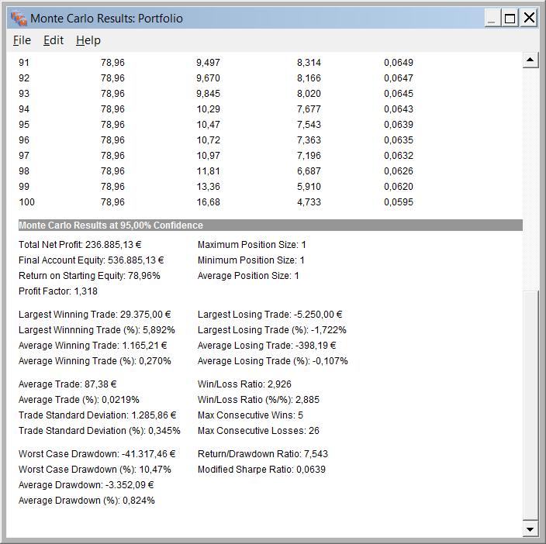
1. Optimización por R CALMAR (Reduce considerablemente el Max. DD. al -14,7%). Nos quedariamos con esta opción. | 2. Optimización por R/R

Equity Curve
 | Sin optimizar | Optimizado
05/01/2010 | 2.19% | 2.48%
06/01/2010 | 2.19% | 2.48%
07/01/2010 | 2.19% | 2.48%
08/01/2010 | 2.19% | 2.48%
11/01/2010 | 1.91% | 2.26%
12/01/2010 | 2.05% | 2.37%
13/01/2010 | 1.76% | 2.05%
14/01/2010 | 1.67% | 1.94%
15/01/2010 | 1.92% | 2.13%
18/01/2010 | 1.92% | 2.13%
19/01/2010 | 2.18% | 2.46%
20/01/2010 | 5.76% | 5.14%
21/01/2010 | 5.76% | 5.14%
22/01/2010 | 5.76% | 5.14%
25/01/2010 | 5.76% | 5.14%
26/01/2010 | 5.76% | 5.14%
27/01/2010 | 5.76% | 5.14%
28/01/2010 | 5.76% | 5.14%
29/01/2010 | 5.76% | 5.14%
01/02/2010 | 5.56% | 5.00%
02/02/2010 | 5.26% | 4.77%
03/02/2010 | 7.88% | 6.74%
04/02/2010 | 9.17% | 7.71%
05/02/2010 | 9.17% | 7.71%
08/02/2010 | 9.17% | 7.71%
09/02/2010 | 10.35% | 8.59%
10/02/2010 | 9.79% | 8.17%
11/02/2010 | 8.05% | 6.78%
12/02/2010 | 6.34% | 5.29%
15/02/2010 | 5.39% | 4.45%
16/02/2010 | 4.61% | 3.73%
17/02/2010 | 4.12% | 3.17%
18/02/2010 | 3.95% | 2.99%
19/02/2010 | 3.98% | 3.01%
22/02/2010 | 3.98% | 3.01%
23/02/2010 | 4.91% | 3.82%
24/02/2010 | 4.36% | 3.27%
25/02/2010 | 4.14% | 3.10%
26/02/2010 | 5.09% | 3.82%
01/03/2010 | 8.04% | 6.03%
02/03/2010 | 8.24% | 6.26%
03/03/2010 | 8.24% | 6.26%
04/03/2010 | 8.24% | 6.26%
05/03/2010 | 8.24% | 6.26%
08/03/2010 | 8.02% | 5.91%
09/03/2010 | 10.48% | 7.69%
10/03/2010 | 10.36% | 7.50%
11/03/2010 | 10.63% | 7.70%
12/03/2010 | 10.50% | 7.60%
15/03/2010 | 10.08% | 7.29%
...

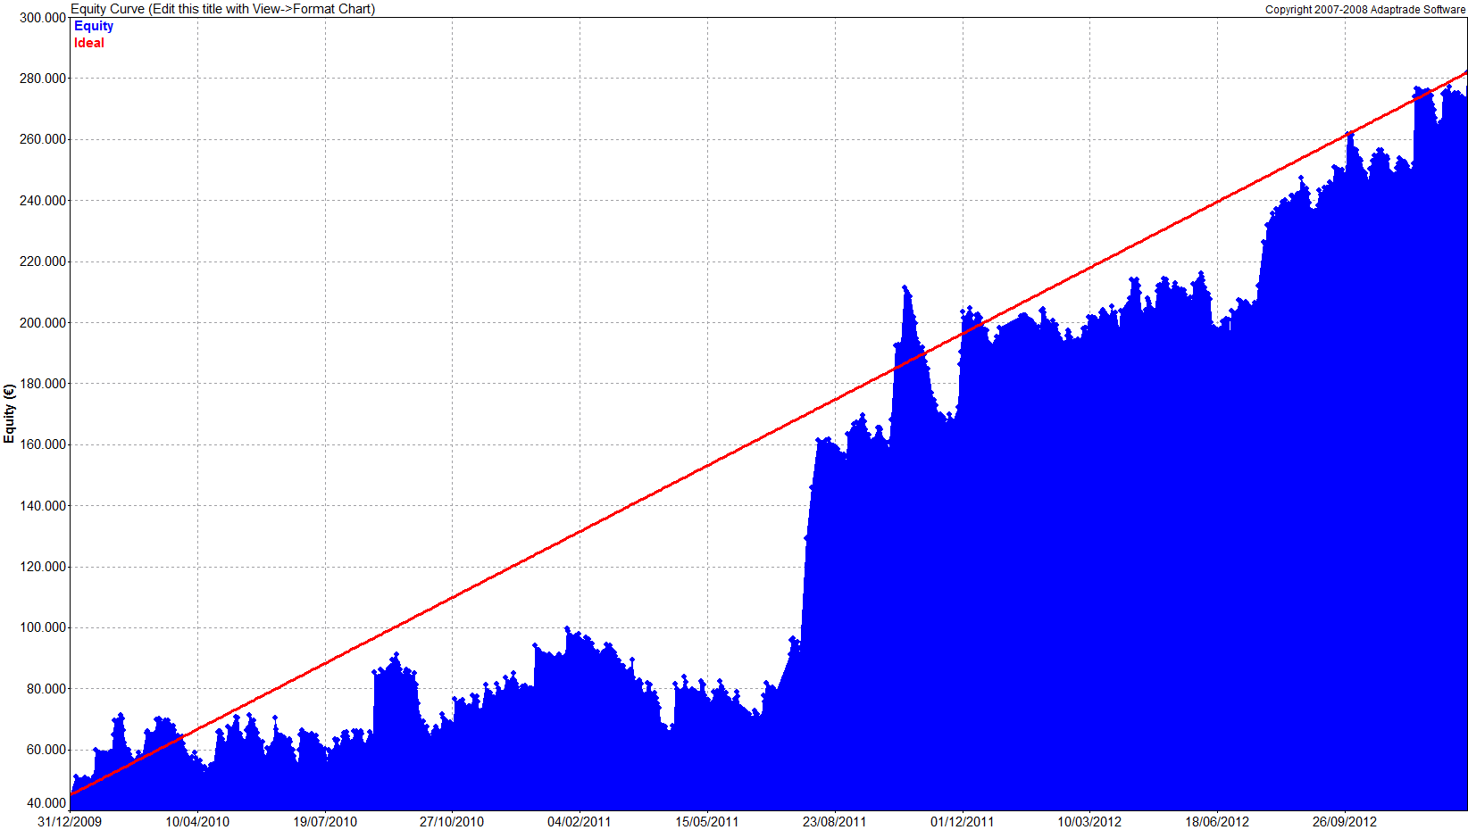
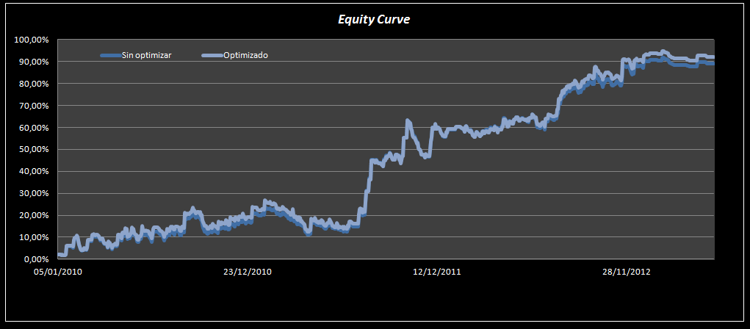
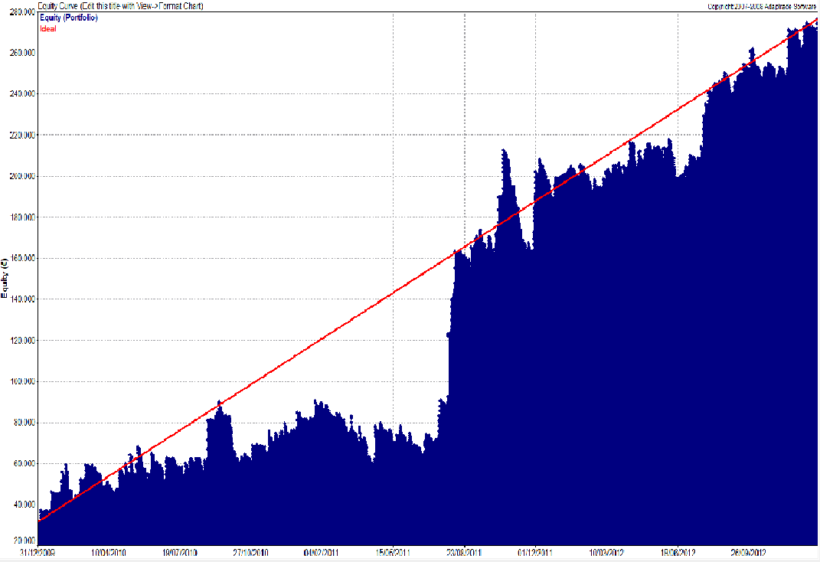

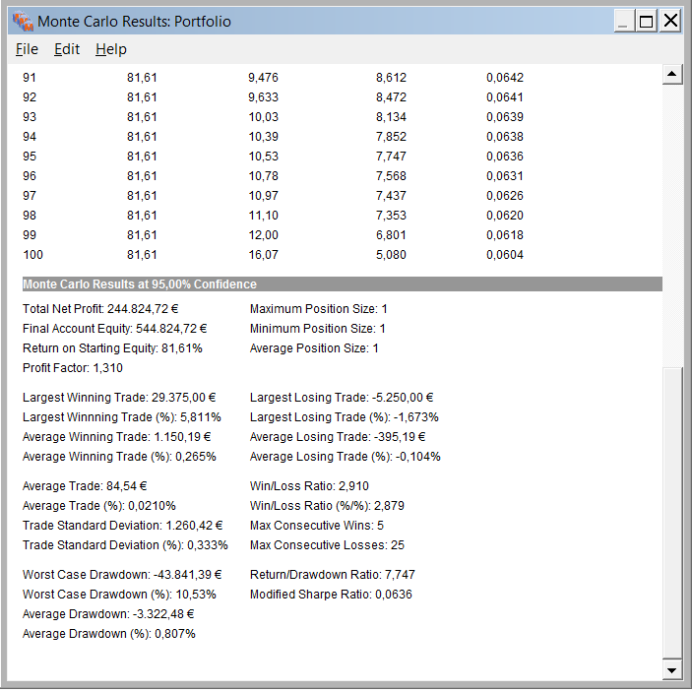
El DD de Montecarlo al 95% queda en 10,47% con Optimización de la Cartera por el Ratio Calmar.
(Si Optimizaramos por R/R el DD de Montecarlo al 95% queda en 10,53%).

ENFOQUE
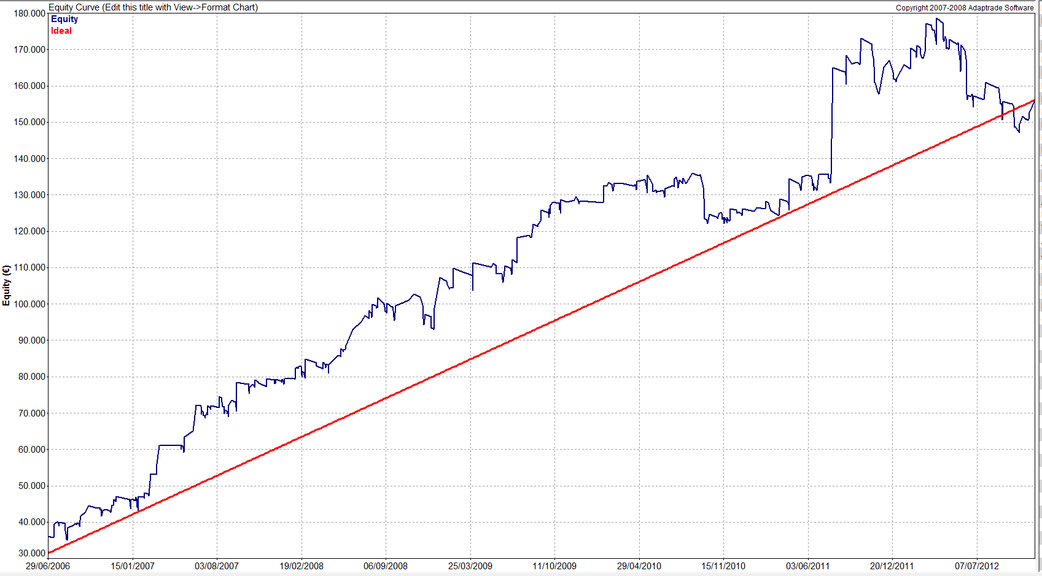
CAPTURAS DE PANTALLA DE OUT OF SAMPLE DE CARTERA DOGEN

Esto es lo que se está haciendo: Hemos ponderado la cartera en función del R Calmarde los resultados OS en base diaria de los distintos sistema-activo. Luego hemos realizado la cartera con dichas ponderaciones y le hemos incluido el IS . Obtenemos la siguiente curva.

FDAX x 1

OUT SAMPLE
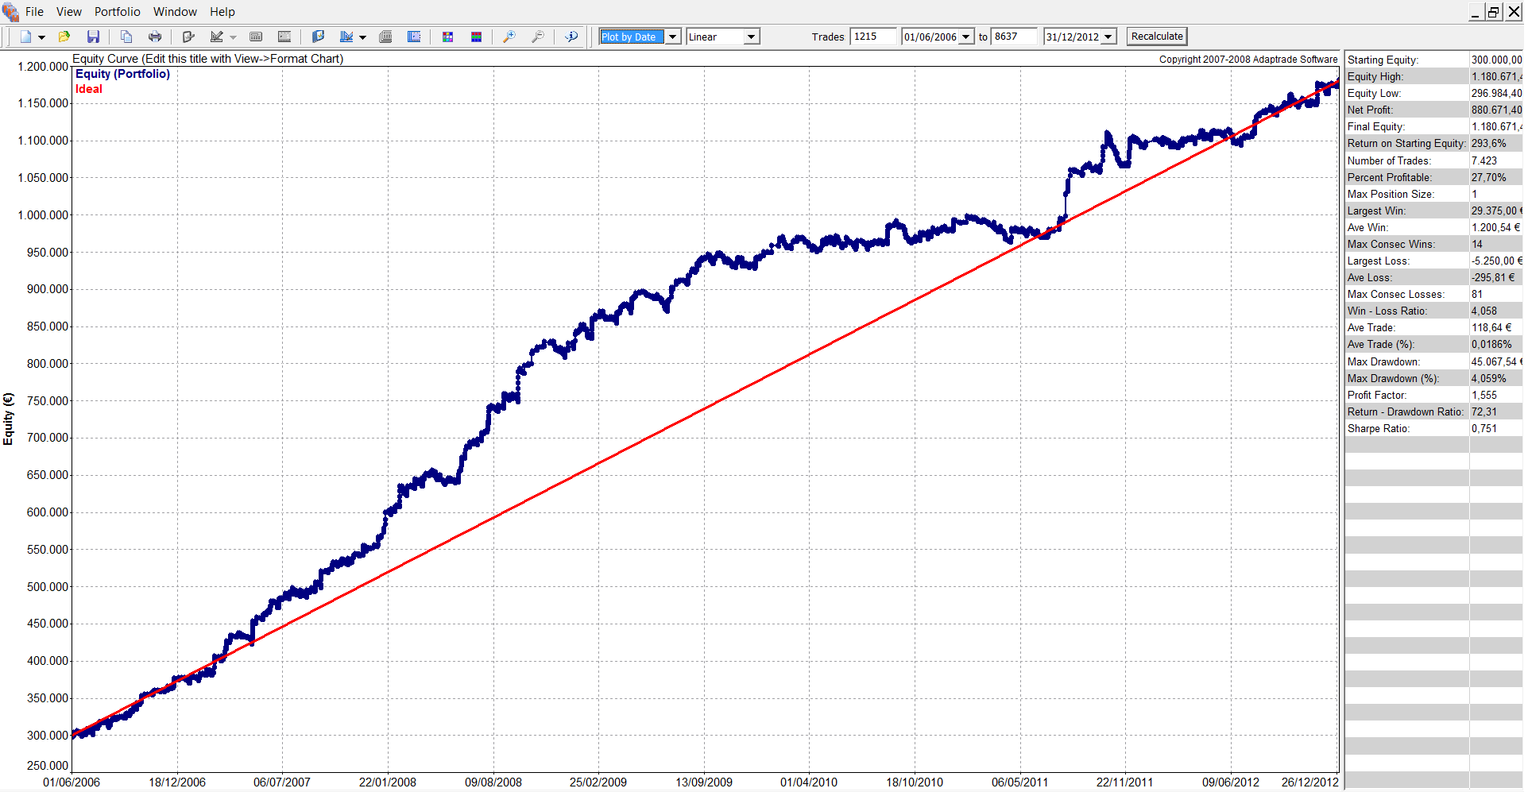

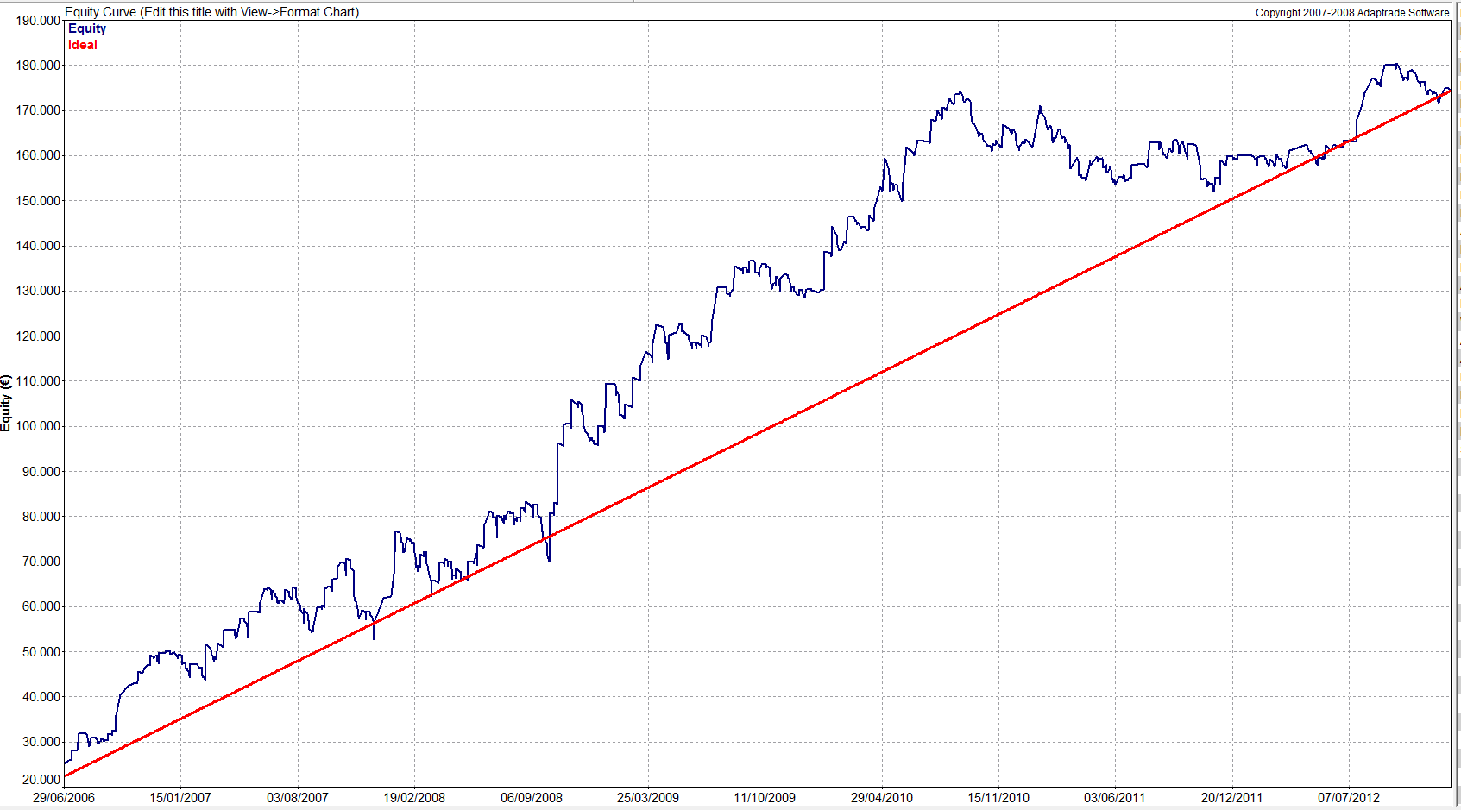

FIBEX x 1

FTI x 2
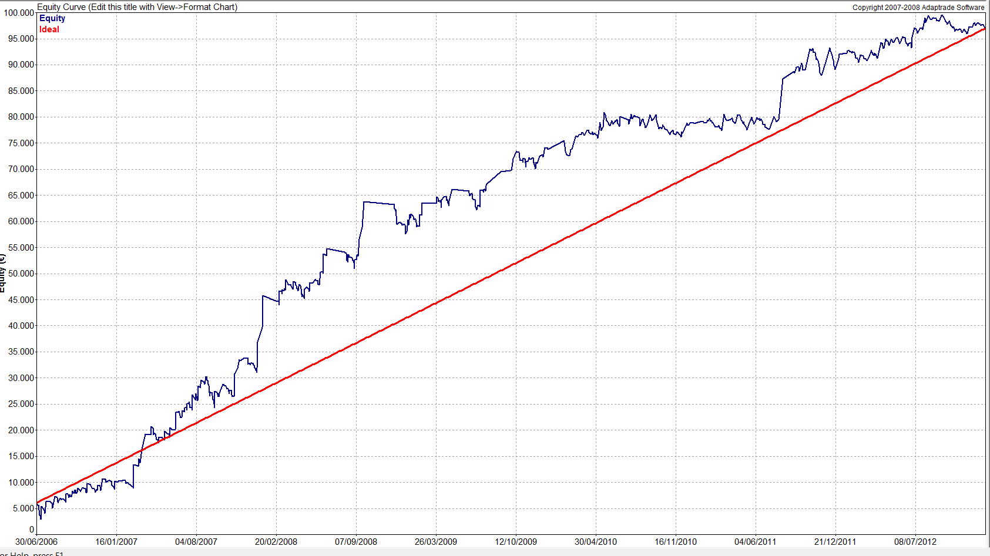

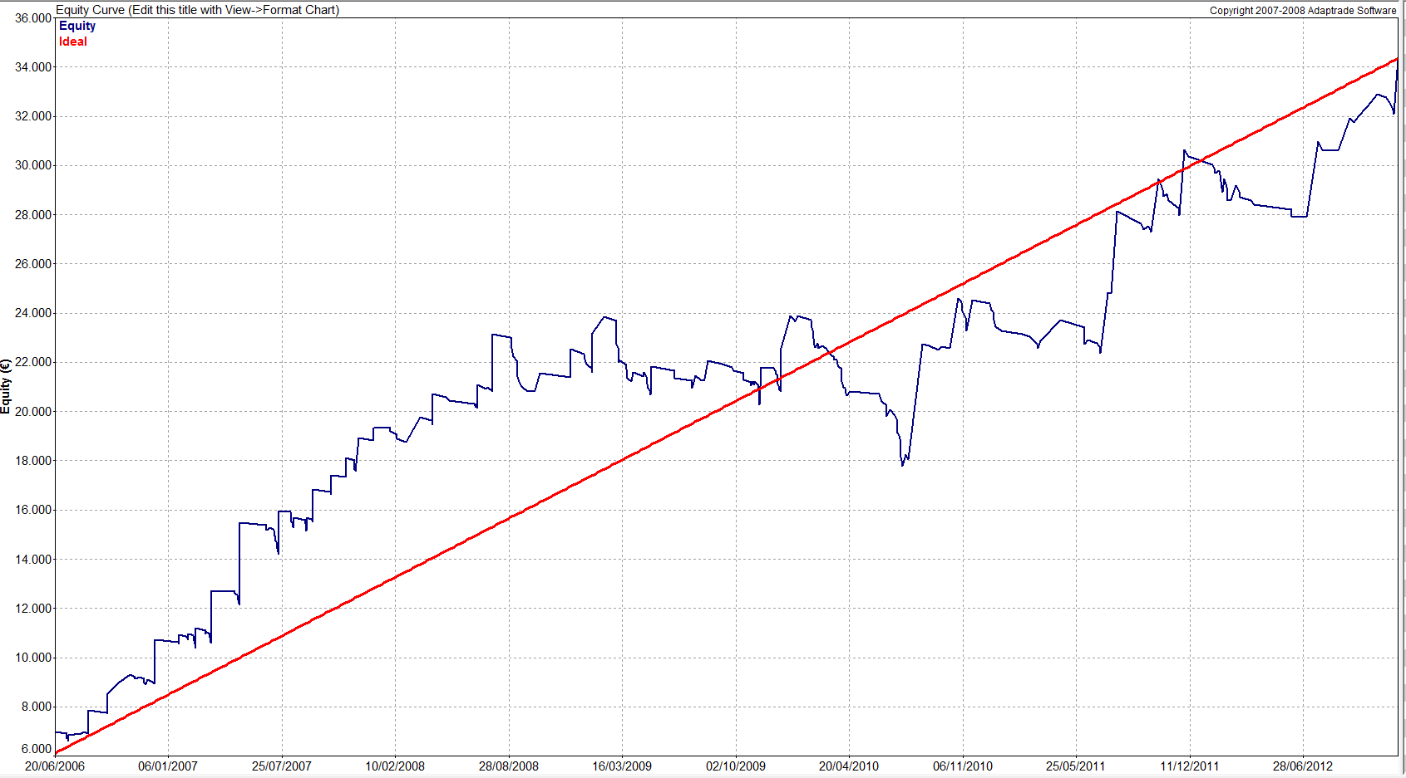

FGBL x 5

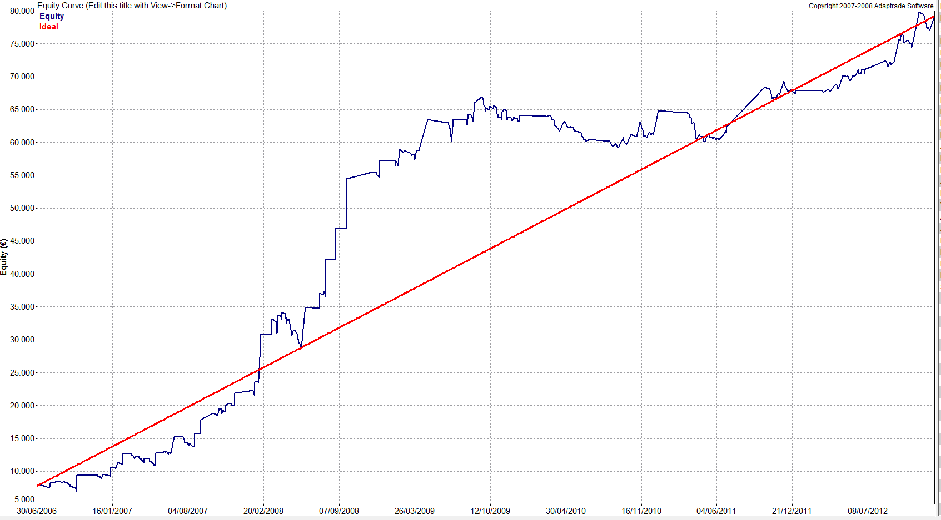

ZS x 4

Limitacion Garantías
Sistema | ARYSA
Periodo
 | Out of Sample: |  | 2010-2012
 | In Sample: |  | 2006-2009

Tipo de WF | WF I: 2 años-6 meses

Mercado |  | IBEX | BUND | FTI | DAX | ZS |  | MAX GARANTIAS PORTFOLIO
Nº contratos |  | 1 | 5 | 2 | 1 | 4
Garantías |  | 11,250 | 2,437 | 5,125 | 19,265 | 4,725 |  | 71,850 €

Peor Perdida |  | 3,750 | 728 | 1,318 | 5,250 | 1,168 |  | 19,948 €

Max DD. Montecarlo 95% |  |  |  |  |  |  | 41,317 €

Factor Corrector DD |  | 1.3

Capital Mínimo Portfolio |  | 173,050 € | Redondeamos al alza |  | CAPITAL ESTIMADO |  | 175,000 €

Money Management Empleado: |  |  | FIXED RATIO |  | FORMULA

Límite de las garantías:

TABLA DE ASIGNACION DEL CAPITAL (ver pags 324-326 del Manual I)

Desde del punto de vista del MM podria ser interesante capitalizar más la cuenta a cambio de disminudir la delta. Nosotros vamos a operar con 300000 que es una capital que reduce sensiblemente la delta.
 |  |  |  | CAPITAL
 |  | 175,000 | 200,000 | 250,000 | 300,000 | 400,000 | 500,000
 | n (max) = | 4.31 | 5.01 | 6.42 | 7.82 | 10.61 | 13.40
 | δ = | 18,880 € | 15,925 € | 12,144 € | 9,820 € | 7,107 € | 5,570 €
 | δ mínima operativa = | 38,828 € | 35,873 € | 32,092 € | 29,768 € | 27,055 € | 25,518 €

Tenemos en cuenta la máxima pérdida que podríamos sufrir (muy improbable pero posible) para que no nos cierren por falta de garantías

Selección

OPTIMIZACION IN SAMPLE
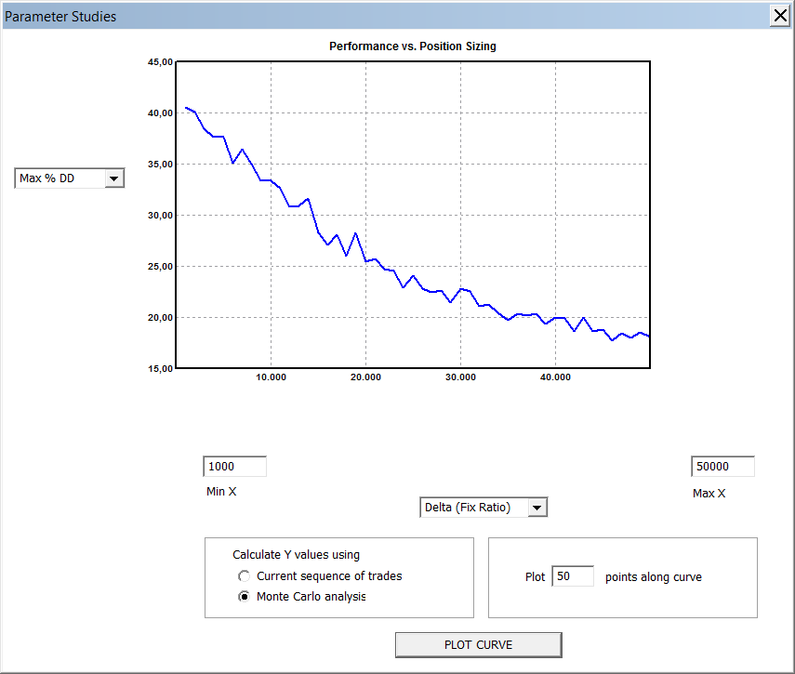
Aquí vemos cómo se hace la optimización In sample para aplicar al primer periodo del Out of Sample. con el resto de periodos se hace de manera idéntica. Pag 324. Pto 5.3.2.
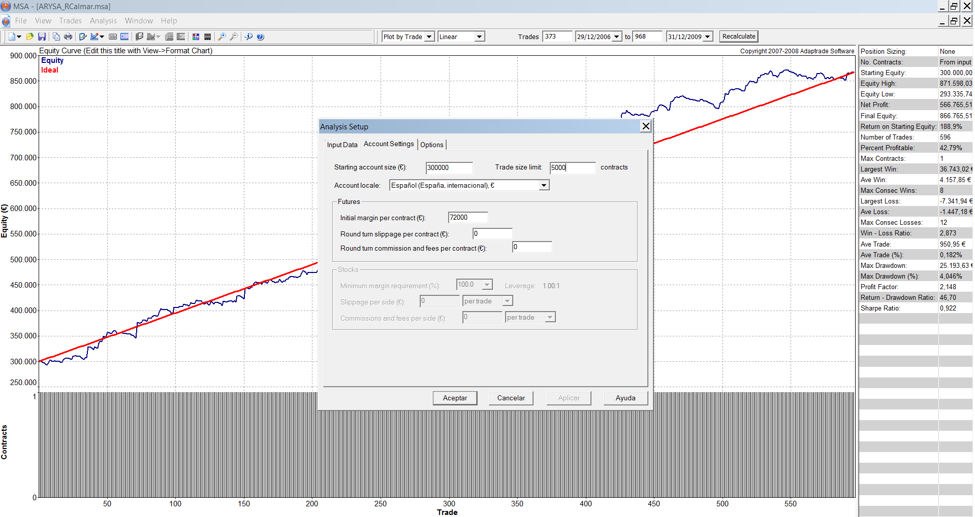
OPTIMIZACION IN SAMPLE

Cartera | ARYSA

Mercados: | IBEX | BUND | ZS | DAX | FTI
Contratos | 1 | 5 | 4 | 1 | 2

Presuponemos un Max DD admisible para el inversor tipo de un 35%. Este dato proviene de la Planificiación de cada invesor
Periodo | 2008-01-01 | 2010-01-01
El Delta minimo operativo (29768
) es bastante estable
Riesgo Máximo Permitido |  | 35%

CAPITAL : | 300,000 €

El delta óptimo es inferior al delta mínimo, por lo que escogemos el delta mínimo
Parametro óptimo |  |  | δ óptima In sample = | 6,929 €
Limite mínimo delta: |  |  | δ mínima operativa = | 29,768 €
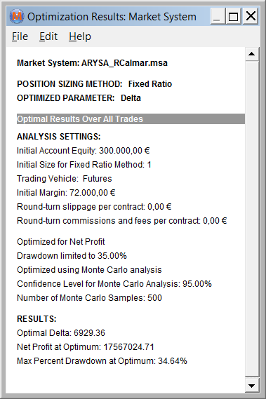

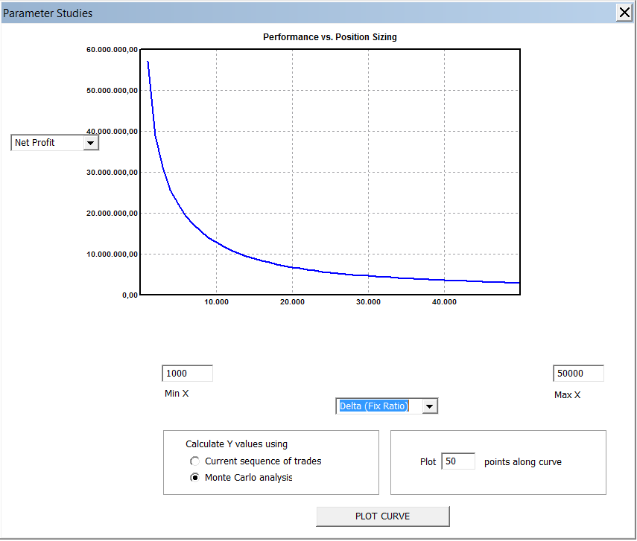
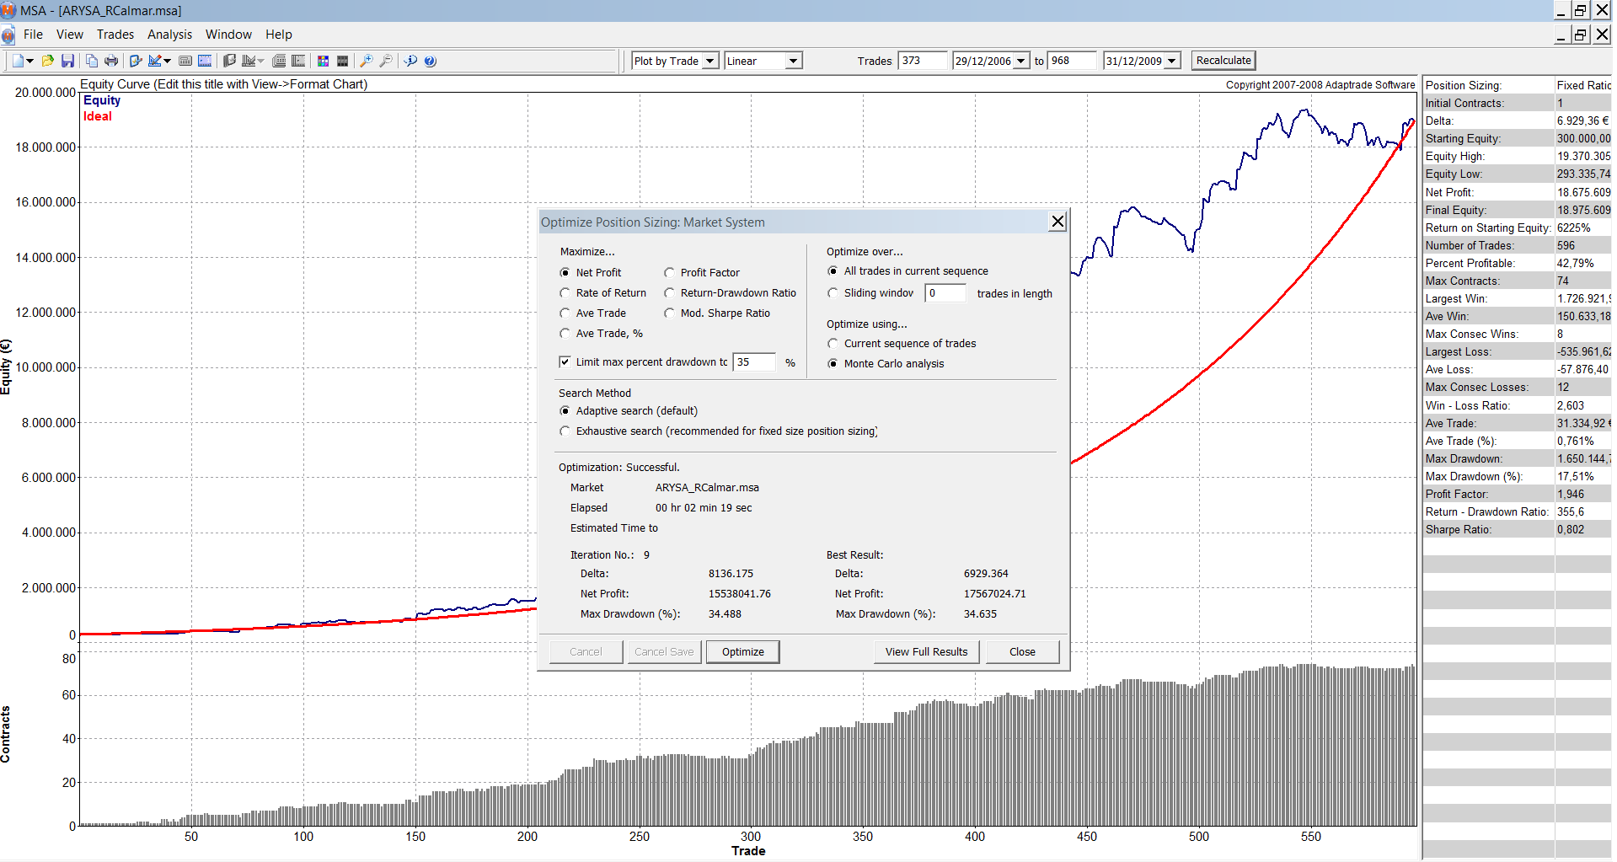

Optimizamos por Net Profit y no por el Return-DD ratio (ya que el DD está controlado al 35%)

La delta que optenemos en la optimización (6929) está muy por debajo de la delta minima operativa (29768) y ademas parece que no es muy estable, mientras que el delta minimo operativo si lo es, como se deduce del analisis de sensibilidad.

WALKFORWARD
 | WALK-FORWARD
Vemos como se construye el Out of Sample de periodo en periodo
CARTERA | ARYSA
Periodo | 2007-2009
Tipo de WF | WF : 3 años-1 año

Delta Mínima Operativa |  | 29,768 €

CAPITAL INICIAL |  | 300,000 € |  | 35%
 |  |  |  |  |  | OBTENCIÓN DE LOS DATOS DE LA TABLA
Configuramos el inicio del siguiente periodo con los capitales y número de contratos con el que acabamos el anterior
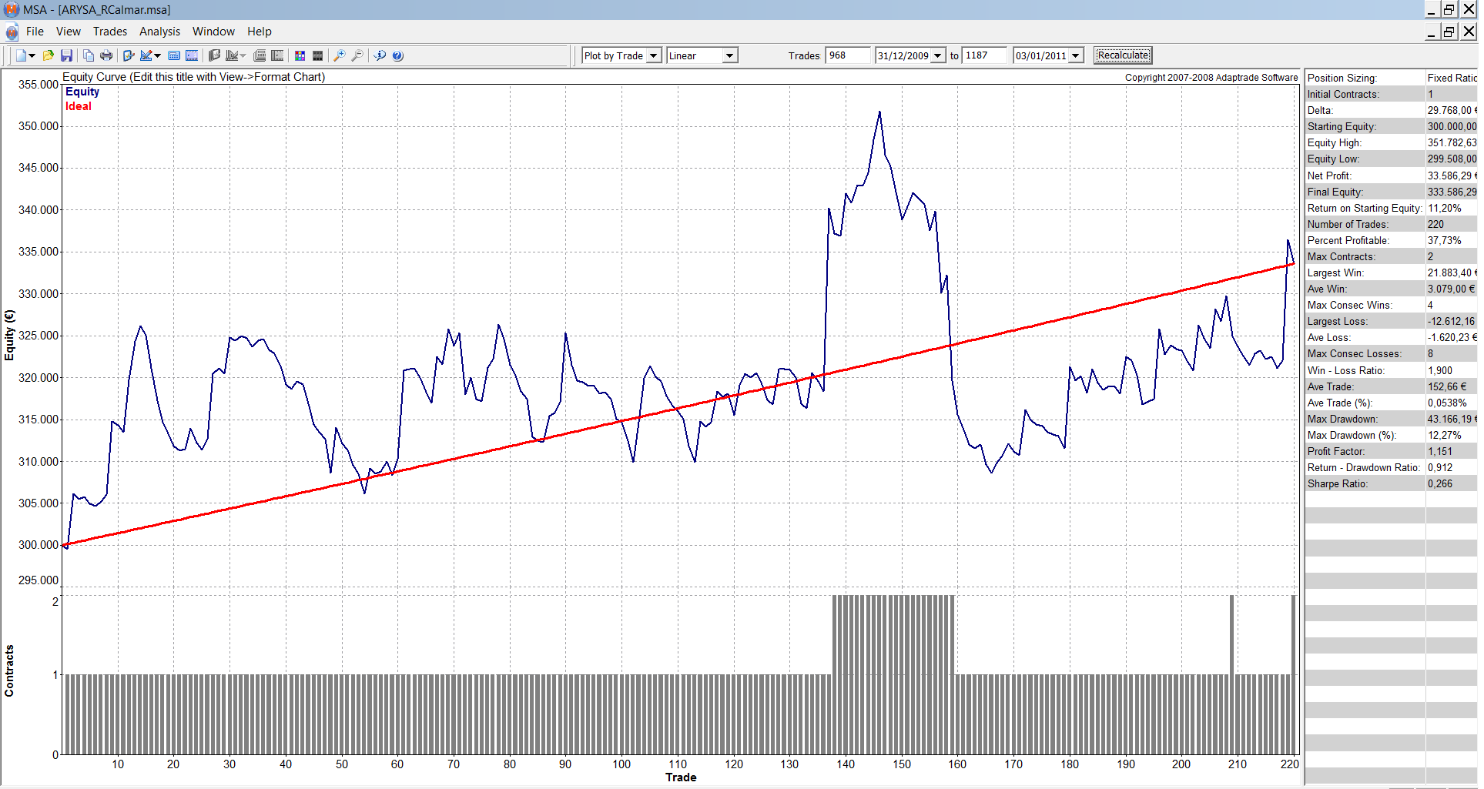
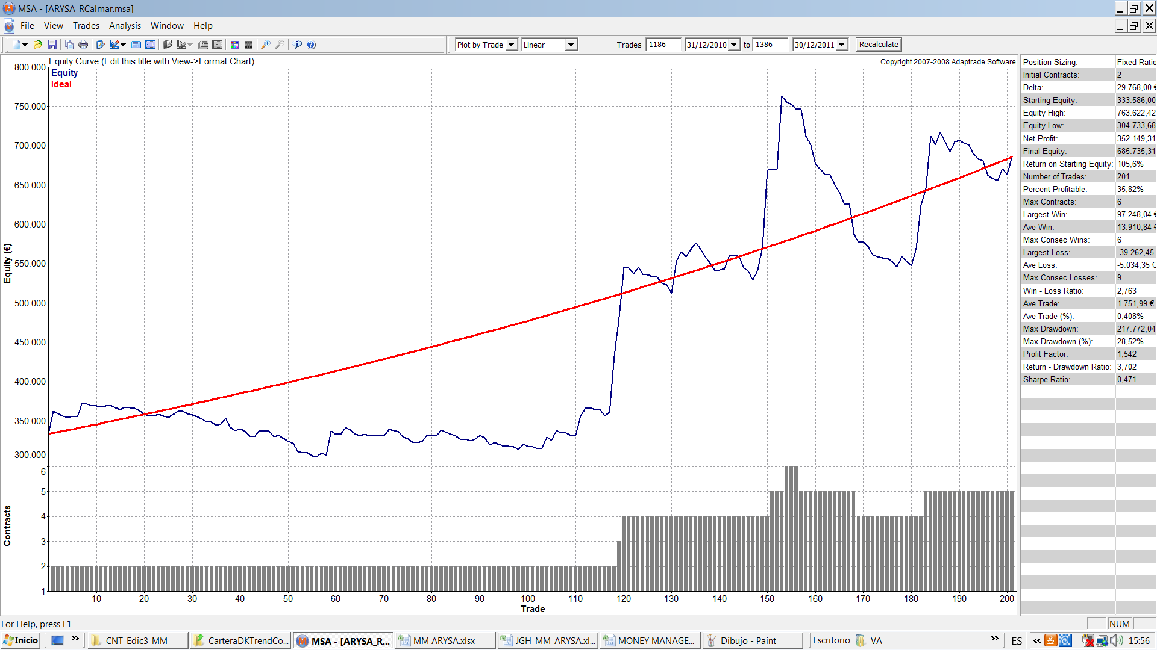
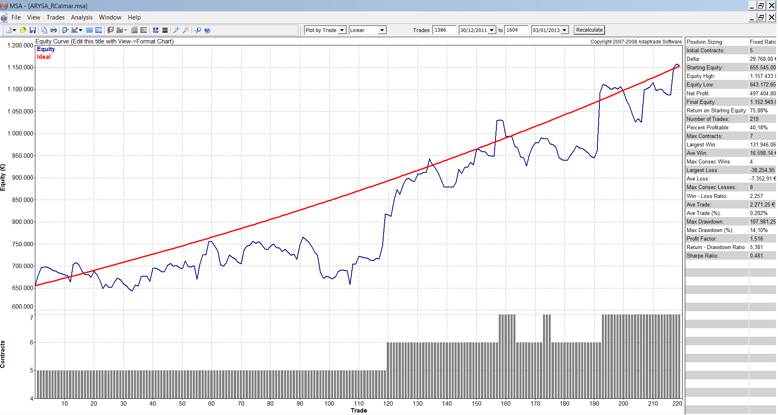
Periodo Opt In sample | 01/01/08-01/01/10 | 01/01/09-01/01/11 | 01/01/010-01/01/12

δ óptima | 6,929 € | 33,320 € | 18,282 €
δ seleccionada | 29,768 € | 33,320 € | 29,768 €

Periodo Opt | 01/01/08-01/01/10 | 01/01/09-01/01/11 | 01/01/010-01/01/12 | MEDIAS | DesvTipica
Periodo OS | 01/01/10-01/01/11 | 01/01/11-01/01/12 | 01/01/12-01/01/13
Ratio | 0.91 | 3.38 | 5.38 | 3.23 | 2.24
Net Profit | 33,586 | 321,959 | 497,405 | 284,317 | 234,190
Net Profit Porc. | 11.20% | 96.51% | 75.88% | 61.20% | 44.51%
DD Porc. Ptos | 12.27% | 28.52% | 14.10% | 18.30% | 8.90%
Peor Negocio | 3.79% | 5.16% | 5.28% | 4.74% | 0.83%
Gan/Neg. | 0.05% | 0.38% | 0.28% | 0.24% | 0.17%
Profit Factor | 1.15 | 1.50 | 1.52 | 1.39 | 0.21
Win/Loss | 1.93 | 2.70 | 2.26 | 2.30 | 0.39
Fiabilidad (%) | 37.73 | 35.82 | 40.18 | 37.91 | 2.19
ESM | 0.11 | 0.33 | 0.31 | 0.25 | 0.12
Nº Negocios | 220 | 201 | 219 | 213.33 | 10.69

Capital Inicial | 300,000 € | 333,586 € | 655,545 €
Capital Final | 333,586 € | 655,545 € | 1,152,950 €

 |  |  |  |  |  |  |  |  |  |  |  |  |  |  |  |  |  |  |  |  |  |  |  | MARKET SYSTEM: ARYSA_RCALMAR.MSA
 |  |  |  |  |  | MARKET SYSTEM: ARYSA_RCALMAR.MSA |  |  |  |  |  |  |  |  | MARKET SYSTEM: ARYSA_RCALMAR.MSA
 |  |  |  |  |  |  |  |  |  |  |  |  |  |  |  |  |  |  |  |  |  |  |  | ACCOUNT SETTINGS
 |  |  |  |  |  | ACCOUNT SETTINGS |  |  |  |  |  |  |  |  | ACCOUNT SETTINGS |  |  |  |  |  |  |  |  | Starting Equity: 655.545,00 €
 |  |  |  |  |  | Starting Equity: 300.000,00 € |  |  |  |  |  |  |  |  | Starting Equity: 333.586,00 € |  |  |  |  |  |  |  |  | Trading Vehicle: Futures
 |  |  |  |  |  | Trading Vehicle: Futures |  |  |  |  |  |  |  |  | Trading Vehicle: Futures |  |  |  |  |  |  |  |  | Initial Margin: 72.000,00 €
 |  |  |  |  |  | Initial Margin: 72.000,00 € |  |  |  |  |  |  |  |  | Initial Margin: 72.000,00 € |  |  |  |  |  |  |  |  | Round-turn slippage per contract: 0,00 €
 |  |  |  |  |  | Round-turn slippage per contract: 0,00 € |  |  |  |  |  |  |  |  | Round-turn slippage per contract: 0,00 € |  |  |  |  |  |  |  |  | Round-turn commissions and fees per contract: 0,00 €
 |  |  |  |  |  | Round-turn commissions and fees per contract: 0,00 € |  |  |  |  |  |  |  |  | Round-turn commissions and fees per contract: 0,00 €
 |  |  |  |  |  |  |  |  |  |  |  |  |  |  |  |  |  |  |  |  |  |  |  | INPUT DATA SETTINGS
 |  |  |  |  |  | INPUT DATA SETTINGS |  |  |  |  |  |  |  |  | INPUT DATA SETTINGS |  |  |  |  |  |  |  |  | Profit/loss and risk calculated from P/L and risk inputs.
 |  |  |  |  |  | Profit/loss and risk calculated from P/L and risk inputs. |  |  |  |  |  |  |  |  | Profit/loss and risk calculated from P/L and risk inputs. |  |  |  |  |  |  |  |  | Trades File: C:\Users\VA\Desktop\CNT_Edic3_MM\Datos_Diarios_ARYSA_IS_OS_paraMSA.txt
 |  |  |  |  |  | Trades File: C:\Users\VA\Desktop\CNT_Edic3_MM\Datos_Diarios_ARYSA_IS_OS_paraMSA.txt |  |  |  |  |  |  |  |  | Trades File: C:\Users\VA\Desktop\CNT_Edic3_MM\Datos_Diarios_ARYSA_IS_OS_paraMSA.txt
 |  |  |  |  |  |  |  |  |  |  |  |  |  |  |  |  |  |  |  |  |  |  |  | POSITION SIZING SETTINGS & RULES
 |  |  |  |  |  | POSITION SIZING SETTINGS & RULES |  |  |  |  |  |  |  |  | POSITION SIZING SETTINGS & RULES |  |  |  |  |  |  |  |  | Position Sizing Method: Fixed Ratio
 |  |  |  |  |  | Position Sizing Method: Fixed Ratio |  |  |  |  |  |  |  |  | Position Sizing Method: Fixed Ratio |  |  |  |  |  |  |  |  | Initial Contracts: 5
 |  |  |  |  |  | Initial Contracts: 1 |  |  |  |  |  |  |  |  | Initial Contracts: 2 |  |  |  |  |  |  |  |  | Delta: 29.768,00 €
 |  |  |  |  |  | Delta: 29.768,00 € |  |  |  |  |  |  |  |  | Delta: 33.320,00 €

 |  |  |  |  |  |  |  |  |  |  |  |  |  |  |  |  |  |  |  |  |  |  |  |  | ALL TRADES
 |  |  |  |  |  |  | ALL TRADES |  |  |  |  |  |  |  |  | ALL TRADES |  |  |  |  |  |  |  | Total Net Profit | 497,404.80 €
 |  |  |  |  |  | Total Net Profit | 33,586.29 € |  |  |  |  |  |  |  | Total Net Profit | 321,959.46 € |  |  |  |  |  |  |  | Gross Profit | 1,460,636.65 €
 |  |  |  |  |  | Gross Profit | 255,557.35 € |  |  |  |  |  |  |  | Gross Profit | 955,068.62 € |  |  |  |  |  |  |  | Gross Loss | -963,231.85 €
 |  |  |  |  |  | Gross Loss | -221,971.06 € |  |  |  |  |  |  |  | Gross Loss | -633,109.16 € |  |  |  |  |  |  |  | Profit Factor | 1.516
 |  |  |  |  |  | Profit Factor | 1.15 € |  |  |  |  |  |  |  | Profit Factor | 1.509
 |  |  |  |  |  |  |  |  |  |  |  |  |  |  |  |  |  |  |  |  |  |  |  | Trading Period | 30/12/2011 to 03/01/2013 (1 years 4 days)
 |  |  |  |  |  | Trading Period | 31/12/2009 to 03/01/2011 (1 years 2 days) |  |  |  |  |  |  |  | Trading Period | 31/12/2010 to 30/12/2011 (364 days 0 min) |  |  |  |  |  |  |  | Highest Closed Trade Equity | 1,157,433.02 €
 |  |  |  |  |  | Highest Closed Trade Equity | 351,782.63 € |  |  |  |  |  |  |  | Highest Closed Trade Equity | 737,803.42 € |  |  |  |  |  |  |  | Lowest Closed Trade Equity | 643,172.65 €
 |  |  |  |  |  | Lowest Closed Trade Equity | 299,508.00 € |  |  |  |  |  |  |  | Lowest Closed Trade Equity | 304,733.68 € |  |  |  |  |  |  |  | Final Account Equity | 1,152,949.80 €
 |  |  |  |  |  | Final Account Equity | 333,586.29 € |  |  |  |  |  |  |  | Final Account Equity | 655,545.46 € |  |  |  |  |  |  |  | Return on Starting Equity | 75.88%
 |  |  |  |  |  | Return on Starting Equity | 11.20% |  |  |  |  |  |  |  | Return on Starting Equity | 96.51%
 |  |  |  |  |  |  |  |  |  |  |  |  |  |  |  |  |  |  |  |  |  |  |  | Total Number of Trades | 219.00 €
 |  |  |  |  |  | Total Number of Trades | 220.00 € |  |  |  |  |  |  |  | Total Number of Trades | 201.00 € |  |  |  |  |  |  |  | Number of Winning Trades | 88.00 €
 |  |  |  |  |  | Number of Winning Trades | 83.00 € |  |  |  |  |  |  |  | Number of Winning Trades | 72.00 € |  |  |  |  |  |  |  | Number of Losing Trades | 13100.00%
 |  |  |  |  |  | Number of Losing Trades | 13700.00% |  |  |  |  |  |  |  | Number of Losing Trades | 12900.00% |  |  |  |  |  |  |  | Trades Not Taken | 0
 |  |  |  |  |  | Trades Not Taken | 0.00 € |  |  |  |  |  |  |  | Trades Not Taken | 0 |  |  |  |  |  |  |  | Percent Profitable | 40.18%
 |  |  |  |  |  | Percent Profitable | 0 |  |  |  |  |  |  |  | Percent Profitable | 35.82% |  |  |  |  |  |  |  | Max Number of Contracts | 7
 |  |  |  |  |  | Max Number of Contracts | 200.00% |  |  |  |  |  |  |  | Max Number of Contracts | 5 |  |  |  |  |  |  |  | Minimum Number of Contracts | 5
 |  |  |  |  |  | Minimum Number of Contracts | 1 |  |  |  |  |  |  |  | Minimum Number of Contracts | 2 |  |  |  |  |  |  |  | Average Number of Contracts | 5
 |  |  |  |  |  | Average Number of Contracts | 1 |  |  |  |  |  |  |  | Average Number of Contracts | 2
 |  |  |  |  |  |  |  |  |  |  |  |  |  |  |  |  |  |  |  |  |  |  |  | Largest Winning Trade | 131,946.06 €
 |  |  |  |  |  | Largest Winning Trade | 21,883.40 € |  |  |  |  |  |  |  | Largest Winning Trade | 97,248.04 € |  |  |  |  |  |  |  | /Percent of Equity | 13.73%
 |  |  |  |  |  | /Percent of Equity | 6.88% |  |  |  |  |  |  |  | /Percent of Equity | 17.82% |  |  |  |  |  |  |  | Largest Winnning Trade (%) | 13.73%
 |  |  |  |  |  | Largest Winnning Trade (%) | 6.88% |  |  |  |  |  |  |  | Largest Winnning Trade (%) | 19.94% |  |  |  |  |  |  |  | /Trade Value | 131,946.06 €
 |  |  |  |  |  | /Trade Value | 21,883.40 € |  |  |  |  |  |  |  | /Trade Value | 71,918.00 € |  |  |  |  |  |  |  | Average Winning Trade | 16,598.14 €
 |  |  |  |  |  | Average Winning Trade | 3,079.00 € |  |  |  |  |  |  |  | Average Winning Trade | 13,264.84 € |  |  |  |  |  |  |  | Average Winning Trade (%) | 2.04%
 |  |  |  |  |  | Average Winning Trade (%) | 0.97% |  |  |  |  |  |  |  | Average Winning Trade (%) | 2.90% |  |  |  |  |  |  |  | Average Length of Wins | 0 sec
 |  |  |  |  |  | Average Length of Wins | 0 sec |  |  |  |  |  |  |  | Average Length of Wins | 0 sec |  |  |  |  |  |  |  | Max Number Consecutive Wins | 4.00 €
 |  |  |  |  |  | Max Number Consecutive Wins | 4.00 € |  |  |  |  |  |  |  | Max Number Consecutive Wins | 6.00 €
 |  |  |  |  |  |  |  |  |  |  |  |  |  |  |  |  |  |  |  |  |  |  |  | Largest Losing Trade | -38,254.95 €
 |  |  |  |  |  | Largest Losing Trade | -12,612.16 € |  |  |  |  |  |  |  | Largest Losing Trade | -33,955.90 € |  |  |  |  |  |  |  | /Percent of Equity | -5.28%
 |  |  |  |  |  | /Percent of Equity | -3.80% |  |  |  |  |  |  |  | /Percent of Equity | -4.69% |  |  |  |  |  |  |  | Largest Losing Trade (%) | -5.28%
 |  |  |  |  |  | Largest Losing Trade (%) | -3.80% |  |  |  |  |  |  |  | Largest Losing Trade (%) | -5.16% |  |  |  |  |  |  |  | /Trade Value | -38,254.95 €
 |  |  |  |  |  | /Trade Value | -12,612.16 € |  |  |  |  |  |  |  | /Trade Value | -31,409.96 € |  |  |  |  |  |  |  | Average Losing Trade | -7,352.91 €
 |  |  |  |  |  | Average Losing Trade | -1,620.23 € |  |  |  |  |  |  |  | Average Losing Trade | -4,907.82 € |  |  |  |  |  |  |  | Average Losing Trade (%) | -0.90%
 |  |  |  |  |  | Average Losing Trade (%) | -0.50% |  |  |  |  |  |  |  | Average Losing Trade (%) | -1.02% |  |  |  |  |  |  |  | Average Length of Losses | 0 sec
 |  |  |  |  |  | Average Length of Losses | 0 sec |  |  |  |  |  |  |  | Average Length of Losses | 0 sec |  |  |  |  |  |  |  | Max Number Consecutive Losses | 800.00%
 |  |  |  |  |  | Max Number Consecutive Losses | 800.00% |  |  |  |  |  |  |  | Max Number Consecutive Losses | 900.00%
 |  |  |  |  |  |  |  |  |  |  |  |  |  |  |  |  |  |  |  |  |  |  |  | Average Trade | 2,271.25 €
 |  |  |  |  |  | Average Trade | 152.66 € |  |  |  |  |  |  |  | Average Trade | 1,601.79 € |  |  |  |  |  |  |  | Average Trade (%) | 0.28%
 |  |  |  |  |  | Average Trade (%) | 0.05% |  |  |  |  |  |  |  | Average Trade (%) | 0.38% |  |  |  |  |  |  |  | Trade Standard Deviation | 18,563.16 €
 |  |  |  |  |  | Trade Standard Deviation | 3,400.41 € |  |  |  |  |  |  |  | Trade Standard Deviation | 15,586.42 € |  |  |  |  |  |  |  | Trade Standard Deviation (%) | 2.21%
 |  |  |  |  |  | Trade Standard Deviation (%) | 1.06% |  |  |  |  |  |  |  | Trade Standard Deviation (%) | 3.18%
 |  |  |  |  |  |  |  |  |  |  |  |  |  |  |  |  |  |  |  |  |  |  |  | Win/Loss Ratio | 2.257
 |  |  |  |  |  | Win/Loss Ratio | 1.9 |  |  |  |  |  |  |  | Win/Loss Ratio | 2.703 |  |  |  |  |  |  |  | Win/Loss Ratio (%/%) | 2.27 €
 |  |  |  |  |  | Win/Loss Ratio (%/%) | 1.94 € |  |  |  |  |  |  |  | Win/Loss Ratio (%/%) | 2.84 € |  |  |  |  |  |  |  | Return/Drawdown Ratio | 538.10%
 |  |  |  |  |  | Return/Drawdown Ratio | 91.20% |  |  |  |  |  |  |  | Return/Drawdown Ratio | 351.90% |  |  |  |  |  |  |  | Modified Sharpe Ratio | 0.13 €
 |  |  |  |  |  | Modified Sharpe Ratio | 0.05 € |  |  |  |  |  |  |  | Modified Sharpe Ratio | 0.12 € |  |  |  |  |  |  |  | Sharpe Ratio | 48.10%
 |  |  |  |  |  | Sharpe Ratio | 26.60% |  |  |  |  |  |  |  | Sharpe Ratio | 46.80%
 |  |  |  |  |  |  |  |  |  |  |  |  |  |  |  |  |  |  |  |  |  |  |  | Average Annual Profit/Loss | 491,019.20 €
 |  |  |  |  |  | Average Annual Profit/Loss | 33335.31 |  |  |  |  |  |  |  | Average Annual Profit/Loss | 323,065.09 € |  |  |  |  |  |  |  | Ave Annual Compounded Return | 74.61%
 |  |  |  |  |  | Ave Annual Compounded Return | 11.11% |  |  |  |  |  |  |  | Ave Annual Compounded Return | 96.97% |  |  |  |  |  |  |  | Average Monthly Profit/Loss | 40,918.27 €
 |  |  |  |  |  | Average Monthly Profit/Loss | 2,777.94 € |  |  |  |  |  |  |  | Average Monthly Profit/Loss | 26,922.09 € |  |  |  |  |  |  |  | Ave Monthly Compounded Return | 4.75%
 |  |  |  |  |  | Ave Monthly Compounded Return | 0.88% |  |  |  |  |  |  |  | Ave Monthly Compounded Return | 5.81% |  |  |  |  |  |  |  | Average Weekly Profit/Loss | 9,410.36 €
 |  |  |  |  |  | Average Weekly Profit/Loss | 638.87 € |  |  |  |  |  |  |  | Average Weekly Profit/Loss | 6,191.53 € |  |  |  |  |  |  |  | Ave Weekly Compounded Return | 1.07%
 |  |  |  |  |  | Ave Weekly Compounded Return | 0.20% |  |  |  |  |  |  |  | Ave Weekly Compounded Return | 1.31% |  |  |  |  |  |  |  | Average Daily Profit/Loss | 1,344.34 €
 |  |  |  |  |  | Average Daily Profit/Loss | 91.27 € |  |  |  |  |  |  |  | Average Daily Profit/Loss | 884.50 € |  |  |  |  |  |  |  | Ave Daily Compounded Return | 0.15%
 |  |  |  |  |  | Ave Daily Compounded Return | 0.03% |  |  |  |  |  |  |  | Ave Daily Compounded Return | 0.19%
 |  |  |  |  |  |  |  |  |  |  |  |  |  |  |  |  |  |  |  |  |  |  |  | CLOSED TRADE DRAWDOWNS | ALL TRADES
 |  |  |  |  |  | CLOSED TRADE DRAWDOWNS | ALL TRADES |  |  |  |  |  |  |  | CLOSED TRADE DRAWDOWNS | ALL TRADES |  |  |  |  |  |  |  | Number of Drawdowns | 17.00 €
 |  |  |  |  |  | Number of Drawdowns | 9.00 € |  |  |  |  |  |  |  | Number of Drawdowns | 7.00 € |  |  |  |  |  |  |  | Average Drawdown | -39,784.70 €
 |  |  |  |  |  | Average Drawdown | -9,705.56 € |  |  |  |  |  |  |  | Average Drawdown | -53,074.19 € |  |  |  |  |  |  |  | Average Drawdown (%) | 4.66%
 |  |  |  |  |  | Average Drawdown (%) | 2.87% |  |  |  |  |  |  |  | Average Drawdown (%) | 9.30% |  |  |  |  |  |  |  | Average Length of Drawdowns | 18 days 0 min
 |  |  |  |  |  | Average Length of Drawdowns | 36 days 16 hours |  |  |  |  |  |  |  | Average Length of Drawdowns | 46 days 13 hours |  |  |  |  |  |  |  | Average Trades in Drawdowns | 1900-01-11
 |  |  |  |  |  | Average Trades in Drawdowns | 1900-01-23 |  |  |  |  |  |  |  | Average Trades in Drawdowns | 1900-01-26
 |  |  |  |  |  |  |  |  |  |  |  |  |  |  |  |  |  |  |  |  |  |  |  | Worst Case Drawdown | -107,981.25 €
 |  |  |  |  |  | Worst Case Drawdown | -43,166.19 € |  |  |  |  |  |  |  | Worst Case Drawdown | -202,358.98 € |  |  |  |  |  |  |  | /Percent of Equity | 14.10%
 |  |  |  |  |  | /Percent of Equity | 12.27% |  |  |  |  |  |  |  | /Percent of Equity | 27.43% |  |  |  |  |  |  |  | Date at Trough | 2012-06-28
 |  |  |  |  |  | Date at Trough | 2010-10-11 |  |  |  |  |  |  |  | Date at Trough | 2011-11-18 |  |  |  |  |  |  |  | Trade Number at Trough | 10700.00%
 |  |  |  |  |  | Trade Number at Trough | 1900-06-14 |  |  |  |  |  |  |  | Trade Number at Trough | 17700.00% |  |  |  |  |  |  |  | Length of Drawdown | 48 days 0 min
 |  |  |  |  |  | Length of Drawdown | 111 days 0 min |  |  |  |  |  |  |  | Length of Drawdown | 73 days 0 min |  |  |  |  |  |  |  | Trades in Drawdown | 2700.00%
 |  |  |  |  |  | Trades in Drawdown | 7400.00% |  |  |  |  |  |  |  | Trades in Drawdown | 4800.00%
 |  |  |  |  |  |  |  |  |  |  |  |  |  |  |  |  |  |  |  |  |  |  |  | Worst Case Drawdown (%) | 14.10%
 |  |  |  |  |  | Worst Case Drawdown (%) | 12.27% |  |  |  |  |  |  |  | Worst Case Drawdown (%) | 27.43% |  |  |  |  |  |  |  | /Equity Value | -107,981.25 €
 |  |  |  |  |  | /Equity Value | -43,166.19 € |  |  |  |  |  |  |  | /Equity Value | -202,358.98 € |  |  |  |  |  |  |  | Date at Trough | 2012-06-28
 |  |  |  |  |  | Date at Trough | 2010-10-11 |  |  |  |  |  |  |  | Date at Trough | 2011-11-18 |  |  |  |  |  |  |  | Trade Number at Trough | 107
 |  |  |  |  |  | Trade Number at Trough | 1900-06-14 |  |  |  |  |  |  |  | Trade Number at Trough | 177 |  |  |  |  |  |  |  | Length of Drawdown | 48 days 0 min
 |  |  |  |  |  | Length of Drawdown | 111 days 0 min |  |  |  |  |  |  |  | Length of Drawdown | 73 days 0 min |  |  |  |  |  |  |  | Trades in Drawdown | 27
 |  |  |  |  |  | Trades in Drawdown | 74 |  |  |  |  |  |  |  | Trades in Drawdown | 48
 |  |  |  |  |  |  |  |  |  |  |  |  |  |  |  |  |  |  |  |  |  |  |  | Longest Drawdown | 53 days 0 min
 |  |  |  |  |  | Longest Drawdown | 111 days 0 min |  |  |  |  |  |  |  | Longest Drawdown | 187 days 0 min |  |  |  |  |  |  |  | Start of Drawdown | 2012-02-03
 |  |  |  |  |  | Start of Drawdown | 2010-09-14 |  |  |  |  |  |  |  | Start of Drawdown | 2011-01-26 |  |  |  |  |  |  |  | End of Drawdown | 2012-03-27
 |  |  |  |  |  | End of Drawdown | 2011-01-03 |  |  |  |  |  |  |  | End of Drawdown | 2011-08-01 |  |  |  |  |  |  |  | Percent of Equity | 9.07%
 |  |  |  |  |  | Percent of Equity | 12.27% |  |  |  |  |  |  |  | Percent of Equity | 18.35%

 |  |  |  |  |  |  |  |  |  |  |  |  |  |  |  |  |  |  |  |  |  |  |  | ANNUAL RETURNS
 |  |  |  |  |  | ANNUAL RETURNS |  |  |  |  |  |  |  |  | ANNUAL RETURNS |  |  |  |  |  |  |  |  | YEAR | NET PROFIT | END EQUITY | RETURN(%) | DRAWDOWN(%) | TRADES | WINS(%) | P FAC | SHARPE
 |  |  |  |  |  | YEAR | NET PROFIT | END EQUITY | RETURN(%) | DRAWDOWN(%) | TRADES | WINS(%) | P FAC | SHARPE | YEAR | NET PROFIT | END EQUITY | RETURN(%) | DRAWDOWN(%) | TRADES | WINS(%) | P FAC | SHARPE | 2013 | 4,136.58 € | 1,152,949.80 € | 0.36 | 0.387 | 2 | 50 | 1.923 | 0.289
 |  |  |  |  |  | 2011 | -2,842.96 € | 333,586.29 € | -0.845 | 0.845 | 1 | 0 | 0 | -0.289 | 2011 | 293,137.44 € | 655,545.46 € | 80.89 | 27.43 | 200 | 35.5 | 1.463 | 0.432 | 2012 | 471,425.67 € | 1,148,813.22 € | 69.59 | 14.1 | 216 | 39.81 | 1.492 | 0.491
 |  |  |  |  |  | 2010 | 36,921.25 € | 336,429.25 € | 12.33 | 12.27 | 218 | 38.07 | 1.169 | 0.316 | 2010 | 28,822.02 € | 362,408.02 € | 8.64 | 0 | 1 | 100 | 100 | 0.289 | 2011 | 21,842.55 € | 677,387.55 € | 3.332 | 0 | 1 | 100 | 100 | 0.289
 |  |  |  |  |  | 2009 | -492.00 € | 299,508.00 € | -0.164 | 0.164 | 1 | 0 | 0 | -0.289
 |  |  |  |  |  |  |  |  |  |  |  |  |  |  | AVE | 160,979.73 € | 508,976.74 € | 44.76 | 13.71 | 100.5 | 67.75 | 50.73 | 0.36 | AVE | 165,801.60 € | 993,050.19 € | 24.43 | 4.829 | 73 | 63.27 | 34.47 | 0.356
 |  |  |  |  |  | AVE | 11,195.43 € | 323,174.51 € | 3.773 | 4.427 | 73.33 | 12.69 | 0.39 | -0.087 | SD | 186,899.23 € | 207,279.47 € | 51.09 | 19.39 | 140.7 | 45.61 | 69.68 | 0.101 | SD | 264,826.23 € | 273,379.69 € | 39.14 | 8.032 | 123.8 | 32.21 | 56.75 | 0.117
 |  |  |  |  |  | SD | 22,310.20 € | 20,545.04 € | 7.416 | 6.802 | 125.3 | 21.98 | 0.675 | 0.349
 |  |  |  |  |  |  |  |  |  |  |  |  |  |  | MONTHLY RETURNS |  |  |  |  |  |  |  |  | MONTHLY RETURNS
 |  |  |  |  |  | MONTHLY RETURNS |  |  |  |  |  |  |  |  | MONTH | NET PROFIT | END EQUITY | RETURN(%) | DRAWDOWN(%) | TRADES | WINS(%) | P FAC |  | MONTH | NET PROFIT | END EQUITY | RETURN(%) | DRAWDOWN(%) | TRADES | WINS(%) | P FAC
 |  |  |  |  |  | MONTH | NET PROFIT | END EQUITY | RETURN(%) | DRAWDOWN(%) | TRADES | WINS(%) | P FAC |  | Dec-11 | 24,824.70 € | 655,545.46 € | 3.936 | 8.967 | 18 | 33.33 | 1.265 |  | Jan-13 | 4,136.58 € | 1,152,949.80 € | 0.36 | 0.387 | 2 | 50 | 1.923
 |  |  |  |  |  | Jan-11 | -2,842.96 € | 333,586.29 € | -0.845 | 0.845 | 1 | 0 | 0 |  | Nov-11 | -9,246.16 € | 630,720.76 € | -1.445 | 16.33 | 20 | 30 | 0.922 |  | Dec-12 | 42,101.78 € | 1,148,813.22 € | 3.804 | 7.362 | 18 | 38.89 | 1.347
 |  |  |  |  |  | Dec-10 | 15,560.22 € | 336,429.25 € | 4.849 | 2.62 | 17 | 47.06 | 2.057 |  | Oct-11 | 121,716.38 € | 639,966.92 € | 23.49 | 13.29 | 18 | 38.89 | 2.08 |  | Nov-12 | 161,032.03 € | 1,106,711.44 € | 17.03 | 2.787 | 21 | 42.86 | 4.339
 |  |  |  |  |  | Nov-10 | -392.22 € | 320,869.03 € | -0.122 | 1.786 | 22 | 36.36 | 0.979 |  | Sep-11 | 11,196.12 € | 518,250.54 € | 2.208 | 6.412 | 16 | 50 | 1.163 |  | Oct-12 | -83,813.31 € | 945,679.41 € | -8.141 | 10.21 | 21 | 33.33 | 0.452
 |  |  |  |  |  | Oct-10 | 1,654.86 € | 321,261.25 € | 0.518 | 3.439 | 21 | 28.57 | 1.094 |  | Aug-11 | 146,341.20 € | 507,054.42 € | 40.57 | 4.211 | 12 | 33.33 | 5.962 |  | Sep-12 | 150,844.38 € | 1,029,492.72 € | 17.17 | 1.79 | 17 | 47.06 | 5.684
 |  |  |  |  |  | Sep-10 | -17,291.34 € | 319,606.39 € | -5.133 | 9.147 | 20 | 45 | 0.578 |  | Jul-11 | 23,209.40 € | 360,713.22 € | 6.877 | 2.796 | 11 | 45.45 | 2.415 |  | Aug-12 | 5,864.64 € | 878,648.34 € | 0.672 | 6.804 | 17 | 35.29 | 1.07
 |  |  |  |  |  | Aug-10 | 21,425.97 € | 336,897.73 € | 6.792 | 1.461 | 19 | 31.58 | 2.472 |  | Jun-11 | 10,949.34 € | 337,503.82 € | 3.353 | 5.373 | 20 | 45 | 1.341 |  | Jul-12 | 167,997.80 € | 872,783.70 € | 23.84 | 1.393 | 15 | 40 | 10.49
 |  |  |  |  |  | Jul-10 | -4,467.21 € | 315,471.76 € | -1.396 | 3.557 | 16 | 31.25 | 0.708 |  | May-11 | -6,676.12 € | 326,554.48 € | -2.003 | 4.791 | 22 | 36.36 | 0.808 |  | Jun-12 | -44,161.00 € | 704,785.90 € | -5.896 | 14.1 | 18 | 33.33 | 0.671
 |  |  |  |  |  | Jun-10 | 2,499.23 € | 319,938.97 € | 0.787 | 4.761 | 21 | 38.1 | 1.12 |  | Apr-11 | -3,457.88 € | 333,230.60 € | -1.027 | 9.491 | 18 | 22.22 | 0.929 |  | May-12 | 43,528.00 € | 748,946.90 € | 6.171 | 5.543 | 20 | 50 | 1.647
 |  |  |  |  |  | May-10 | -805.31 € | 317,439.74 € | -0.25 € | 2.718 | 18 | 38.89 | 0.965 |  | Mar-11 | -25,527.18 € | 336,688.48 € | -7.05 € | 8.909 | 18 | 27.78 | 0.421 |  | Apr-12 | 4,352.40 € | 705,418.90 € | 0.62 € | 7.422 | 16 | 37.5 | 1.041
 |  |  |  |  |  | Apr-10 | 3,814.47 € | 318,245.05 € | 1.21 € | 2.642 | 20 | 40 | 1.202 |  | Feb-11 | -5,370.20 € | 362,215.66 € | -1.46 € | 4.126 | 17 | 35.29 | 0.731 |  | Mar-12 | 57,893.85 € | 701,066.50 € | 9.00 € | 2.005 | 21 | 52.38 | 2.119
 |  |  |  |  |  | Mar-10 | 1,773.72 € | 314,430.58 € | 0.57 € | 3.239 | 19 | 36.84 | 1.132 |  | Jan-11 | 5,177.84 € | 367,585.86 € | 1.43 € | 2.19 | 10 | 30 | 1.36 |  | Feb-12 | -20,505.50 € | 643,172.65 € | -3.09 € | 9.069 | 21 | 33.33 | 0.812
 |  |  |  |  |  | Feb-10 | -2,080.04 € | 312,656.86 € | -0.66 € | 4.56 | 17 | 35.29 | 0.888 |  | Dec-10 | 28,822.02 € | 362,408.02 € | 8.64 € | 0 | 1 | 100 | 100 |  | Jan-12 | -13,709.40 € | 663,678.15 € | -2.02 € | 4.877 | 11 | 27.27 | 0.597
 |  |  |  |  |  | Jan-10 | 15,228.90 € | 314,736.90 € | 5.09 € | 0.486 | 8 | 62.5 | 9.331 |  |  |  |  |  |  |  |  |  |  | Dec-11 | 21,842.55 € | 677,387.55 € | 3.33 € | 0 | 1 | 100 | 100
 |  |  |  |  |  | Dec-09 | -492.00 € | 299,508.00 € | -0.16 € | 0.164 | 1 | 0 | 0 |  | AVE | 24,766.11 € | 441,418.33 € | 5.963 | 6.684 | 15.46 | 40.59 | 9.184
 |  |  |  |  |  |  |  |  |  |  |  |  |  |  | SD | 51,102.13 € | 129,892.19 € | 12.75 | 4.59 | 5.651 | 19.45 | 27.32 |  | AVE | 35,528.91 € | 855,681.08 € | 4.489 | 5.268 | 15.64 | 44.38 | 9.442
 |  |  |  |  |  | AVE | 2,399.02 € | 320,076.99 € | 0.80 € | 2.959 | 15.71 | 33.67 | 1.609 |  |  |  |  |  |  |  |  |  |  | SD | 76,654.13 € | 190,323.82 € | 9.33 € | 4.151 | 6.629 | 17.69 | 26.21
 |  |  |  |  |  | SD | 9,654.09 € | 10,019.84 € | 3.02 € | 2.271 | 7.097 | 16.52 | 2.318 |  | WEEKLY RETURNS
 |  |  |  |  |  |  |  |  |  |  |  |  |  |  | WEEK | NET PROFIT | END EQUITY | RETURN(%) | DRAWDOWN(%) | TRADES | WINS(%) | P FAC |  | WEEKLY RETURNS
 |  |  |  |  |  | WEEKLY RETURNS |  |  |  |  |  |  |  |  | 12/28/2011 | 27,536.10 € | 655,545.46 € | 4.39 € | 1.085 | 3 | 66.67 | 4.961 |  | WEEK | NET PROFIT | END EQUITY | RETURN(%) | DRAWDOWN(%) | TRADES | WINS(%) | P FAC
 |  |  |  |  |  | WEEK | NET PROFIT | END EQUITY | RETURN(%) | DRAWDOWN(%) | TRADES | WINS(%) | P FAC |  | 12/19/2011 | -34,447.80 € | 628,009.36 € | -5.20 € | 5.2 | 5 | 0 | 0 |  | Feb-13 | 4,136.58 € | 1,152,949.80 € | 0.36 € | 0.387 | 2 | 50 | 1.923
 |  |  |  |  |  | Mar-11 | -2,842.96 € | 333,586.29 € | -0.85 € | 0.845 | 1 | 0 | 0 |  | Dec-11 | -1,862.40 € | 662,457.16 € | -0.28 € | 2.405 | 5 | 40 | 0.886 |  | 12/30/2012 | 60,347.07 € | 1,148,813.22 € | 5.54 € | 0.165 | 2 | 50 | 34.68
 |  |  |  |  |  | 12/31/2010 | 14,411.01 € | 336,429.25 € | 4.48 € | 0 | 1 | 100 | 100 |  | Jul-11 | -9,252.85 € | 664,319.56 € | -1.37 € | 3.704 | 3 | 33.33 | 0.638 |  | 12/24/2012 | -11,863.95 € | 1,088,466.15 € | -1.08 € | 1.078 | 3 | 0 | 0
 |  |  |  |  |  | 12/27/2010 | -1,165.64 € | 322,018.24 € | -0.36 € | 0.635 | 4 | 50 | 0.493 |  | 11/28/2011 | 136,713.73 € | 673,572.41 € | 25.47 € | 1.519 | 5 | 80 | 14.16 |  | 12/17/2012 | -4,843.86 € | 1,100,330.10 € | -0.44 € | 1.644 | 3 | 66.67 | 0.736
 |  |  |  |  |  | 12/17/2010 | -519.69 € | 323,183.88 € | -0.16 € | 0.682 | 4 | 50 | 0.764 |  | 11/21/2011 | 1,414.24 € | 536,858.68 € | 0.26 € | 2.191 | 3 | 33.33 | 1.118 |  | Oct-12 | 79,075.29 € | 1,105,173.96 € | 7.71 € | 0.833 | 5 | 80 | 10.18
 |  |  |  |  |  | Oct-10 | -4,476.97 € | 323,703.57 € | -1.36 € | 1.84 | 4 | 25 | 0.404 |  | 11/14/2011 | -15,401.88 € | 535,444.44 € | -2.80 € | 2.796 | 5 | 0 | 0 |  | Mar-12 | -80,612.77 € | 1,026,098.67 € | -7.28 € | 7.284 | 5 | 0 | 0
 |  |  |  |  |  | Jul-10 | 3,442.01 € | 328,180.54 € | 1.06 € | 0.376 | 2 | 50 | 3.821 |  | Jul-11 | -57,584.28 € | 550,846.32 € | -9.46 € | 9.464 | 5 | 20 | 0.0148 |  | 11/26/2012 | -2,437.33 € | 1,106,711.44 € | -0.22 € | 0.813 | 5 | 40 | 0.811
 |  |  |  |  |  | 11/26/2010 | 1,348.04 € | 324,738.53 € | 0.42 € | 0.78 | 5 | 20 | 1.337 |  | 10/31/2011 | -31,284.32 € | 608,430.60 € | -4.89 € | 5.058 | 5 | 40 | 0.0336 |  | 11/19/2012 | 163,976.96 € | 1,109,148.77 € | 17.35 € | 0.192 | 4 | 75 | 77.65
 |  |  |  |  |  | 11/19/2010 | 6,251.95 € | 323,390.49 € | 1.97 € | 0.947 | 5 | 60 | 2.738 |  | 10/24/2011 | -83,623.60 € | 639,714.92 € | -11.56 | 11.56 | 5 | 0 | 0 |  | 2012-12-11 | -22,824.00 € | 945,171.81 € | -2.358 | 2.358 | 5 | 0 | 0
 |  |  |  |  |  | Dec-10 | -986.70 € | 317,138.54 € | -0.31 € | 1.786 | 5 | 40 | 0.829 |  | 10/17/2011 | 79,547.10 € | 723,338.52 € | 12.36 € | 1.961 | 5 | 20 | 6.499 |  | 2012-05-11 | 28,412.40 € | 967,995.81 € | 3.02 € | 0.439 | 5 | 80 | 7.651
 |  |  |  |  |  | May-10 | -2,871.49 € | 318,125.24 € | -0.90 € | 0.895 | 5 | 20 | 0.122 |  | 2011-10-10 | 98,048.04 € | 643,791.42 € | 17.97 € | 0 | 3 | 100 | 100 |  | 10/29/2012 | -37,382.82 € | 939,583.41 € | -3.83 € | 3.826 | 5 | 0 | 0
 |  |  |  |  |  | 10/29/2010 | 9,467.38 € | 320,996.73 € | 3.04 € | 0.95 | 5 | 60 | 3.627 |  | 2011-03-10 | 27,492.84 € | 545,743.38 € | 5.31 € | 2.818 | 4 | 50 | 2.883 |  | 10/22/2012 | -2,611.60 € | 976,966.23 € | -0.27 € | 1.358 | 5 | 40 | 0.834
 |  |  |  |  |  | 10/22/2010 | -2,895.00 € | 311,529.35 € | -0.92 € | 0.921 | 5 | 0 | 0 |  | 9/26/2011 | 289.60 € | 518,250.54 € | 0.06 € | 3.202 | 4 | 50 | 1.017 |  | 10/15/2012 | 34,661.46 € | 979,577.83 € | 3.67 € | 2.004 | 4 | 75 | 2.831
 |  |  |  |  |  | 10/15/2010 | 2,273.01 € | 314,424.35 € | 0.73 € | 0.553 | 5 | 20 | 1.709 |  | 9/19/2011 | -15,128.40 € | 517,960.94 € | -2.84 € | 3.303 | 4 | 50 | 0.141 |  | 2012-08-10 | -47,848.75 € | 944,916.37 € | -4.82 € | 4.82 | 4 | 0 | 0
 |  |  |  |  |  | 2010-08-10 | 138.92 € | 312,151.34 € | 0.04 € | 1.088 | 5 | 60 | 1.041 |  | 9/14/2011 | -9,198.08 € | 533,089.34 € | -1.70 € | 3.215 | 3 | 33.33 | 0.481 |  | 2012-01-10 | -36,727.60 € | 992,765.12 € | -3.57 € | 3.738 | 5 | 40 | 0.0622
 |  |  |  |  |  | 2010-01-10 | -7,593.97 € | 312,012.42 € | -2.38 € | 2.509 | 5 | 20 | 0.0531 |  | 2011-07-09 | 15,048.00 € | 542,287.42 € | 2.85 € | 1.058 | 3 | 66.67 | 3.638 |  | 9/24/2012 | 70,734.12 € | 1,029,492.72 € | 7.38 € | 1.117 | 5 | 20 | 7.603
 |  |  |  |  |  | 9/24/2010 | -21,077.28 € | 319,606.39 € | -6.19 € | 6.187 | 5 | 40 | 0.173 |  | 8/30/2011 | 9,895.00 € | 527,239.42 € | 1.91 € | 3.999 | 4 | 25 | 1.478 |  | 9/17/2012 | 24,266.40 € | 958,758.60 € | 2.60 € | 0.68 | 4 | 25 | 3.057
...

TRADES
Los trades se obtienen de cada periodo realizado en MSA desde View-Equity Table, luego se pegan los periodos. Ojo con empezar cada periodo con el capital con el que se terminó el anterior y el mismo número de contratos.
Luego podemos coger esta secuencia de trades y meterla de nuevo en el MSA para obtener las estadísticas
DELTA | CONTRACTS | POS PL | EQUITY
29770 | 1 | -492 | 299,508.00
29770 | 1 | 6,636.40 | 306,144.40
29770 | 1 | -688.97 | 305,455.43
29770 | 1 | 340 | 305,795.43
29770 | 1 | -866.33 | 304,929.10
29770 | 1 | -272.60 | 304,656.50
29770 | 1 | 600 | 305,256.50
29770 | 1 | 840.4 | 306,096.90
29770 | 1 | 8,640.00 | 314,736.90
29770 | 1 | -460.00 | 314,276.90
29770 | 1 | -740.00 | 313,536.90
29770 | 1 | 6,167.50 | 319,704.40
29770 | 1 | 4,650.00 | 324,354.40
29770 | 1 | 1,838.00 | 326,192.40
29770 | 1 | -1,152.00 | 325,040.40
29770 | 1 | -3,890.36 | 321,150.04
29770 | 1 | -3,936.40 | 317,213.64
29770 | 1 | -2,505.80 | 314,707.84
29770 | 1 | -1,399.80 | 313,308.04
29770 | 1 | -1,490.50 | 311,817.54
29770 | 1 | -500.27 | 311,317.27
29770 | 1 | 154 | 311,471.27
29770 | 1 | 2,480.40 | 313,951.67
29770 | 1 | -1,753.81 | 312,197.86
29770 | 1 | -812.5 | 311,385.36
...

ESTADISTICAS CARTERA ARYSA MM
ESTADÍSTICAS DE LA CARTERA ARYSA
 | Por Trade | Por Fecha
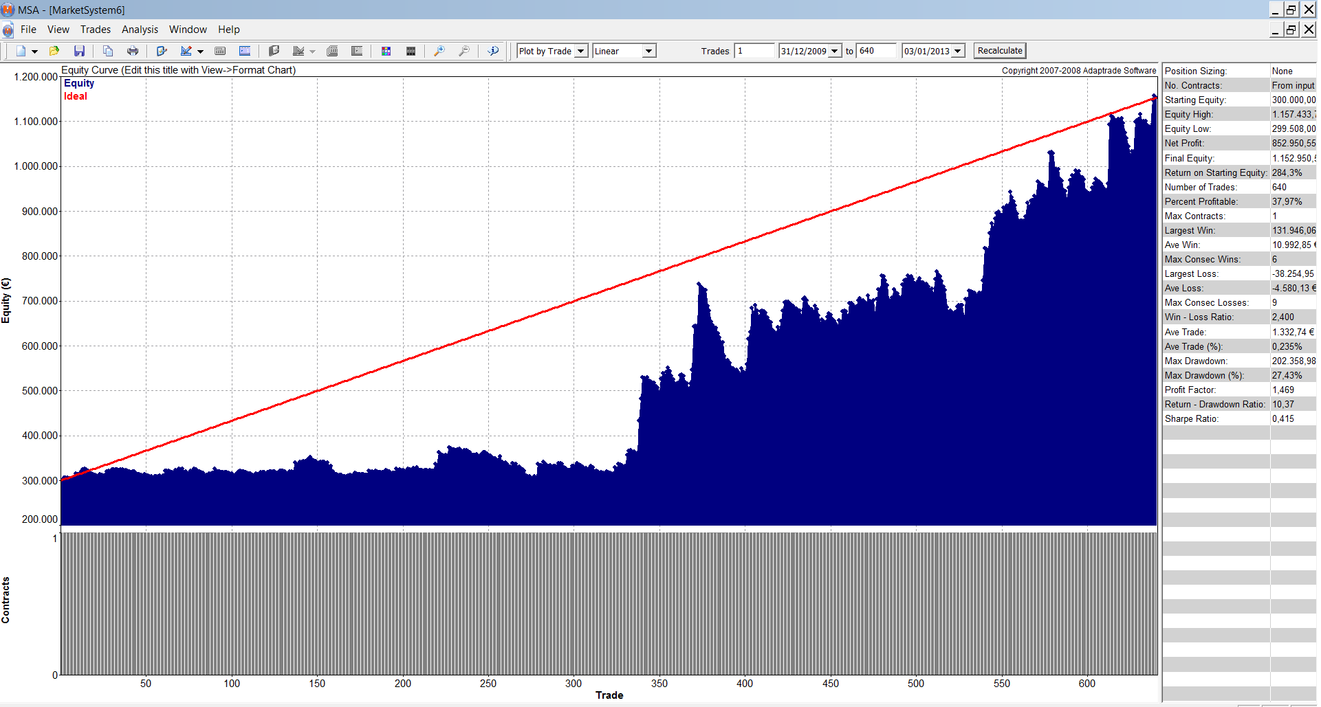
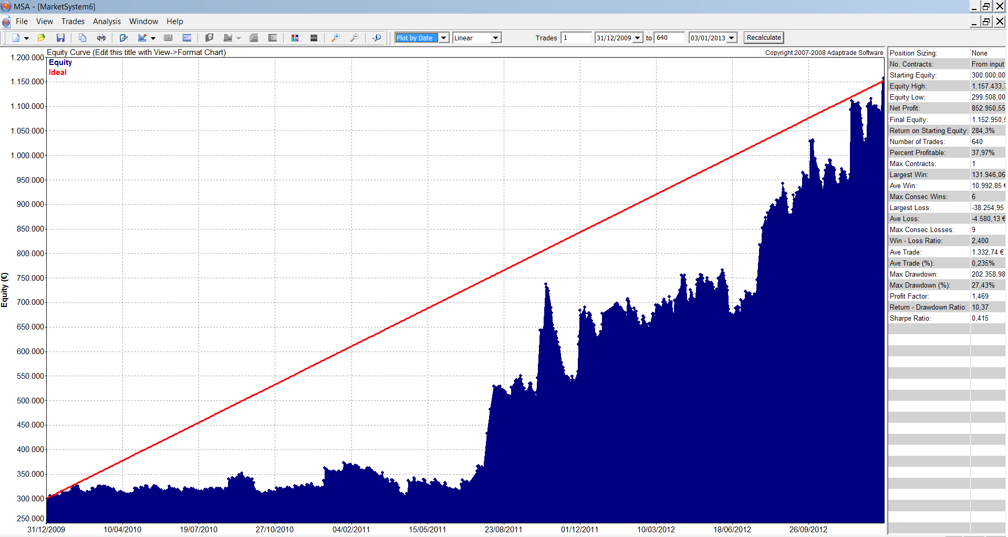

MARKET SYSTEM: MARKETSYSTEMARYSA.MSA

ACCOUNT SETTINGS
Starting Equity: 300.000,00 €
Trading Vehicle: Futures
Initial Margin: 72.000,00 €
Round-turn slippage per contract: 0,00 €
Round-turn commissions and fees per contract: 0,00 €

INPUT DATA SETTINGS
...

ANALISIS DE MONTECARLO
ANALISIS DE MONTECARLO

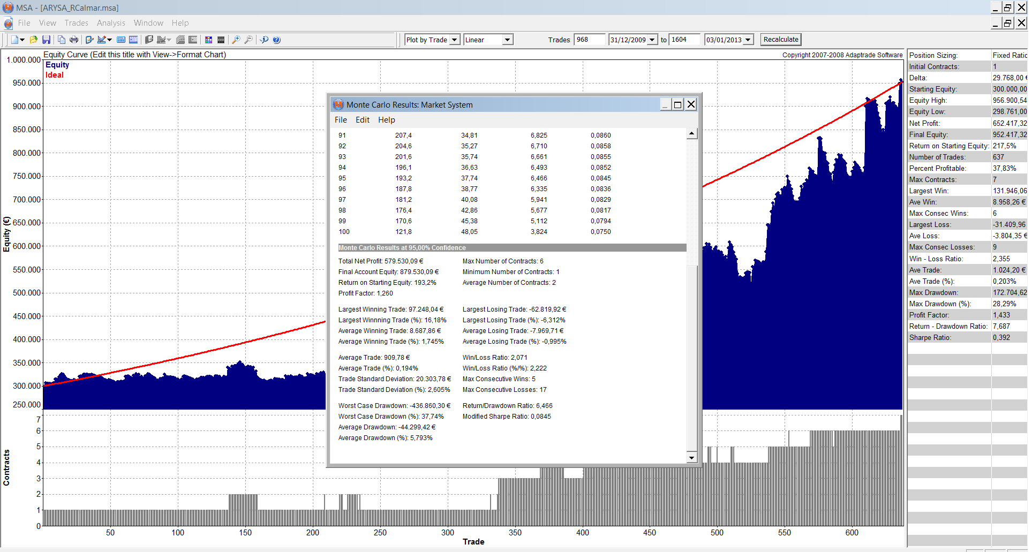
ANALISIS DE MONTECARLO

Para realizar el análisis de Montecarlo utilizamos la serie de OS con el MM implementado en porcentuales, obteniendo una gráfica logarítmica y de ahí el análisis de Montecarlo
Una manera más exigente de hacerlo sería coger todo el OS e introducirle el delta más agresivo de los obtenidos en la tabla. Aplicarlo y de ahí obtener el análisis de Montecarlo. Por simplicidad, es el enfoque que hemos cogido aquí

MARKET SYSTEM: ARYSA_RCALMAR.MSA

TRADING PARAMETERS
Initial Account Equity: 300.000,00 €
Trading Vehicle: Futures
Initial Margin: 72.000,00 €
Round-turn slippage per contract: 0,00 €
Round-turn commissions and fees per contract: 0,00 €

Position Sizing Method: Fixed Ratio
...

FINAL PROFILE
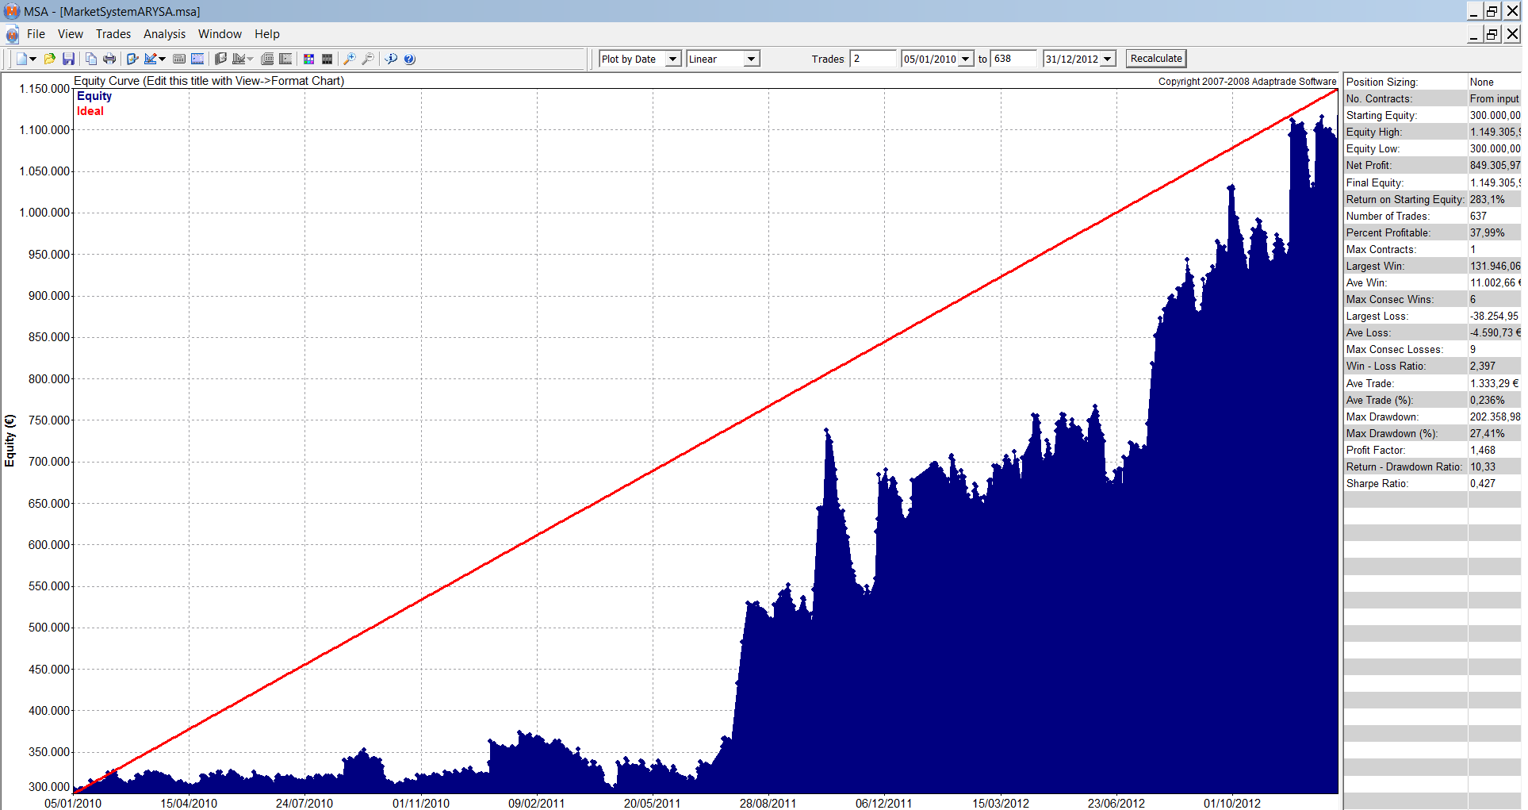
FINAL PROFILE MONEY MANAGEMENT

Sistema | ARYSA
Mercados | IBEX, BUND, FTI, DAX,ZS |  | Divisas | €/$
Periodo WF | 2010-2012 |  | Garantías | 72,000 €
Capital Inicial | 300,000.00

Mercados: | IBEX | BUND | FTI | DAX | ZS
Contratos | 1 | 5 | 2 | 1 | 4

Test Profile

Resultados en su Divisa
 | Nominal | Banda sup | Banda inf | Max | Min.
Bº anual % | 59.10% | 93.23% | 24.97% | 86.80% | 20.97%
Desviacion típica anual | 34.13%

 | 2010 | 2011 | 2012
Bº Anual | 20.97% | 86.80% | 69.54

 | Medio | B.Sup | B.Inf | (+/- 2 Desv.Tipicas)
Bº Mensual | 4.21% | 0.24 | -0.16
Desv.Tipica | 9.86%

 | Medio | B.Sup | B.Inf | (+/- 2 Desv.Tipicas)
Bº Semanal | 1.37% | 0.14 | -0.12
Desv.Tipica | 6.45%

 | Medio | B.Sup | B.Inf | (+/- 2 Desv.Tipicas)
Bº Diario | 0.50% | 0.05 | -0.04
Desv.Tipica | 2.48%
...

